Batteries
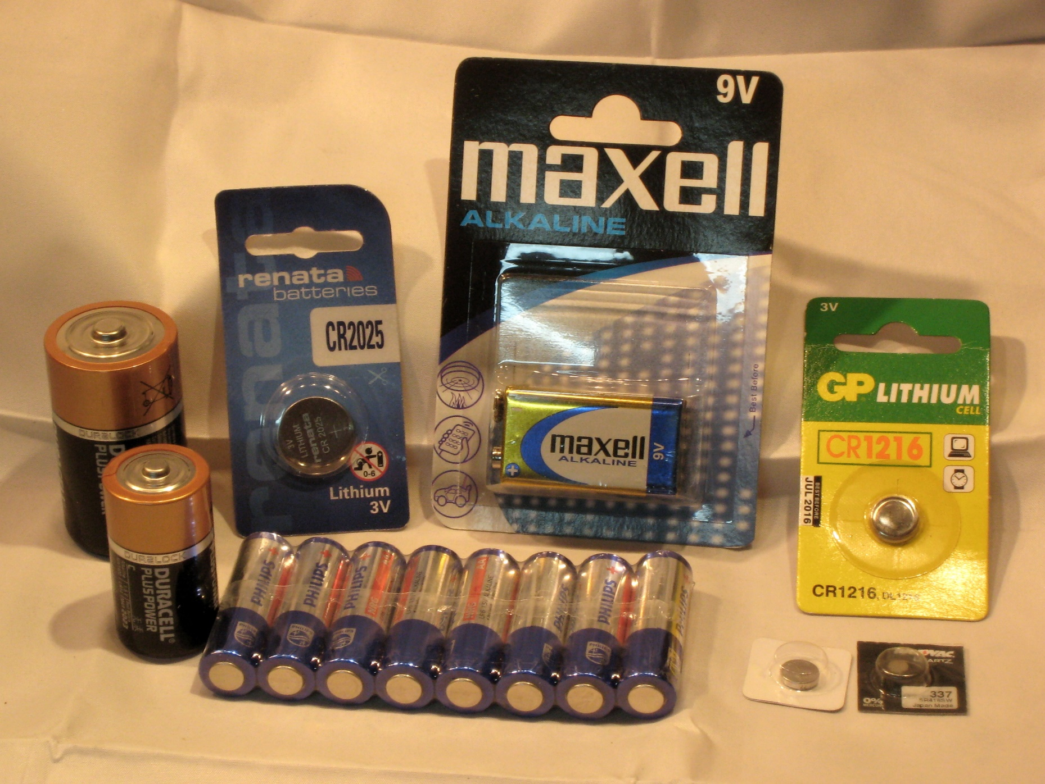
Items for Sale - Batteries
Type | Manufacturer | Part No. / Description | Office Use |  | Price | per
Primary Batteries | GP | 11A Alkaline 6V | 2A3 | 05A | £1.50 | each
Primary Batteries | GP | 23A Super Alkaline 12V | 2A3 | 05A | £0.89 | each
Primary Batteries | GP | 319 Silver Oxide 1.55V | CB89b | 05B | £0.50 | each
Primary Batteries | GP | 357 A76 (LR44) Alkaline 1.5V | CB89b | 05A | £1.00 | each
Primary Batteries | Energizer | 357 Alkaline 1.5V | 2A3 | 05A | £0.80 | each
Primary Batteries | Rayovac | 364 Silver Oxide 1.55V | CB89b | 05B | £0.60 | each
Primary Batteries | Renata | 364 Silver Oxide 1.55V | CB89b | 05B | £0.60 | each
Primary Batteries | Renata | 371 Silver Oxide 1.55V | CB89b | 05B | £1.20 | each
Primary Batteries | Renata | 377 Silver Oxide 1.55V | CB89b | 05B | £0.60 | each
Primary Batteries | Renata | 379 Silver Oxide 1.55V | CB89b | 05B | £0.72 | each
Primary Batteries | Rayovac | 384 Silver Oxide 1.55V | CB89b | 05B | £0.50 | each
Primary Batteries | Renata | 390 Silver Oxide 1.55V | CB89b | 05B | £1.50 | each
Primary Batteries | Renata | 392 Silver Oxide 1.55V | CB89b | 05B | £1.25 | each
Primary Batteries | LBS | 396 Silver Oxide 1.55V | CB89b | 05B | £0.40 | each
Primary Batteries | Maxell | 399 Silver Oxide 1.55V | CB89b | 05B | £0.50 | each
Primary Batteries | GP | 476A Alkaline 6V | 2A3 | 05A | £1.47 | each
Primary Batteries | Maxell | 9V Alkaline | 2A3 | 05A | £1.75 | each
Primary Batteries | Maxell | AA Alkaline 1.5V Pack of 4 | 2A3 | 05A | £1.80 | each
Primary Batteries | GP | AA Super Alkaline 1.5V Pack of 2 | 2A3 | 05A | £0.80 | each
Primary Batteries | GP | AA Ultra Alkaline 1.5V Pack of 8 | 2A3 | 05A | £3.36 | each
Primary Batteries | Maxell | AAA Alkaline 1.5V Pack of 4 | 2A3 | 05A | £1.60 | each
Primary Batteries | GP | AAA Super Alkaline 1.5V Pack of 3 | 2A3 | 05A | £1.10 | each
Primary Batteries | GP | AAA Super Alkaline 1.5V Pack of 8 | 2A3 | 05A | £3.36 | each
Primary Batteries | GP | AAAA Super Alkaline 1.5V Pack of 2 | 2A3 | 05A | £2.50 | each
Primary Batteries | Energizer | C Industrial 1.5V Alkaline | 2A3 | 05A | £1.82 | each
Primary Batteries | Duracell | C PlusPower 1.5V Alkaline | 2A3 | 05A | £0.99 | each
Primary Batteries | GP | CR1220 Lithium 3V | CB89b | 05L | £0.75 | each
Primary Batteries | Maxell | CR123A Photo Lithium 3V | 2A3 | 05L | £2.50 | each
Primary Batteries | GP | CR1616 Lithium 3V | CB89b | 05L | £0.75 | each
Primary Batteries | Panasonic | CR1620 Lithium 3V | CB89b | 05L | £0.75 | each
Primary Batteries | Duracell & GP | CR2 Photo Lithium 3V | 2A3 | 05L | £2.50 | each
Primary Batteries | JCB | CR2016 Lithium 3V | CB89b | 05L | £0.90 | each
Primary Batteries | Renata | CR2016 Lithium 3V | CB89b | 05L | £0.90 | each
Primary Batteries | Rayovac | CR2025 Lithium 3V | CB89b | 05L | £0.90 | each
Primary Batteries | Renata | CR2025 Lithium 3V | CB89b | 05L | £0.90 | each
Primary Batteries | Duracell | CR2025 Procell | CB89b | 05L | £1.27 | each
Primary Batteries | Panasonic | CR2032 Lithium 3V | 2A3 | 05L | £0.87 | each
Primary Batteries | Renata | CR2032 Lithium 3V | CB89b | 05L | £0.90 | each
Primary Batteries | Duracell | CR2032 Procell | CB89b | 05L | £1.20 | each
Primary Batteries | Duracell | D Procell Industrial 1.5V Alkaline | 2A3 | 05A | £1.57 | each
Primary Batteries | GP | LR41 (192) Alkaline 1.5V | CB89b | 05A | £0.60 | each
Secondary Batteries - Rechargeable | Ansmann | AA K12 1900mAh NiMH 1.2V | 2A3 | 05D | £2.82 | each
Secondary Batteries - Rechargeable | Ansmann | AA Standard AKKU 1300mAh NiMH 1.2V Pack of 4 | 2A3 | 06D | £11.48 | each
Secondary Batteries - Rechargeable | Ansmann | AAA AKKU 800mAh NiMH 1.2V Pack of 4 | 2A3 | 05D | £13.44 | each
Secondary Batteries - Rechargeable | GP | AAA ReCyko 950mAh NiMH 1.2V Pack of 4 | 2A3 | 05D | £10.04 | each

Notes: All items available while stocks last. In some cases I may only have one of two of some items, but please feel free to enquire before ordering. All batteries offered here are new/unused, and should have sufficient shelf-life.

Cable Accessories
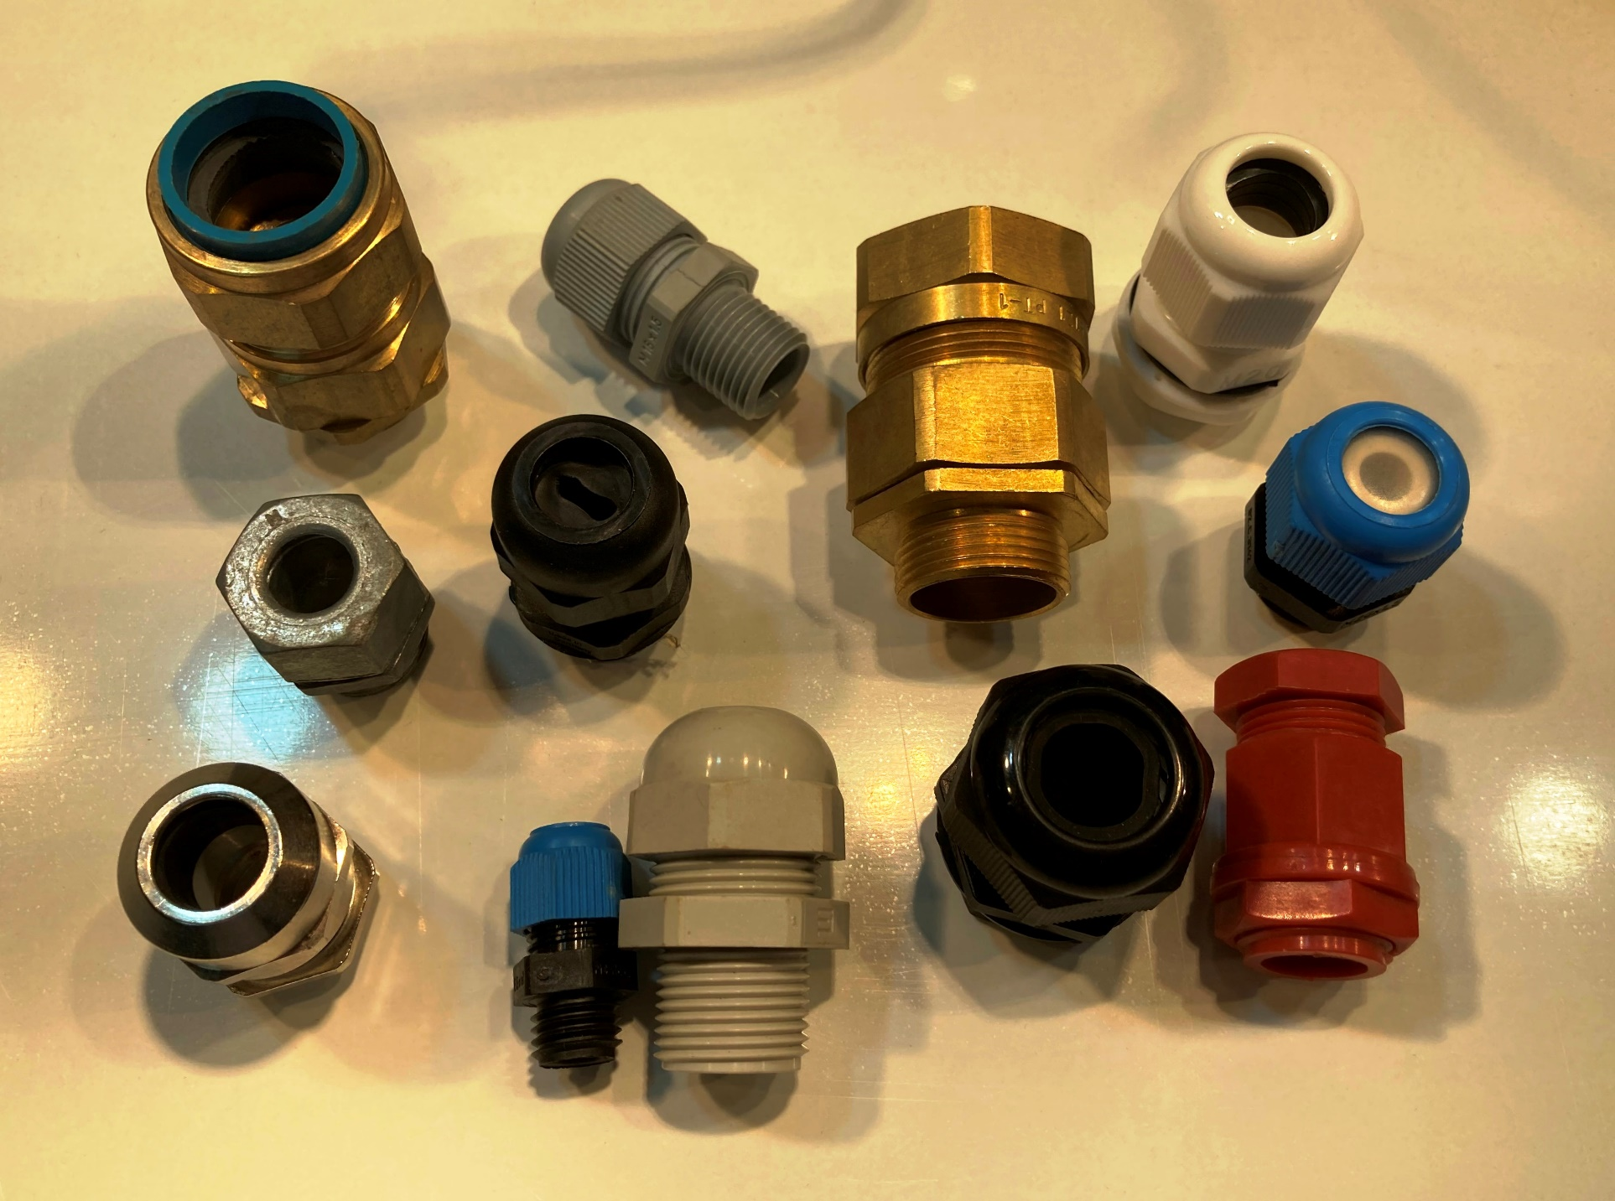
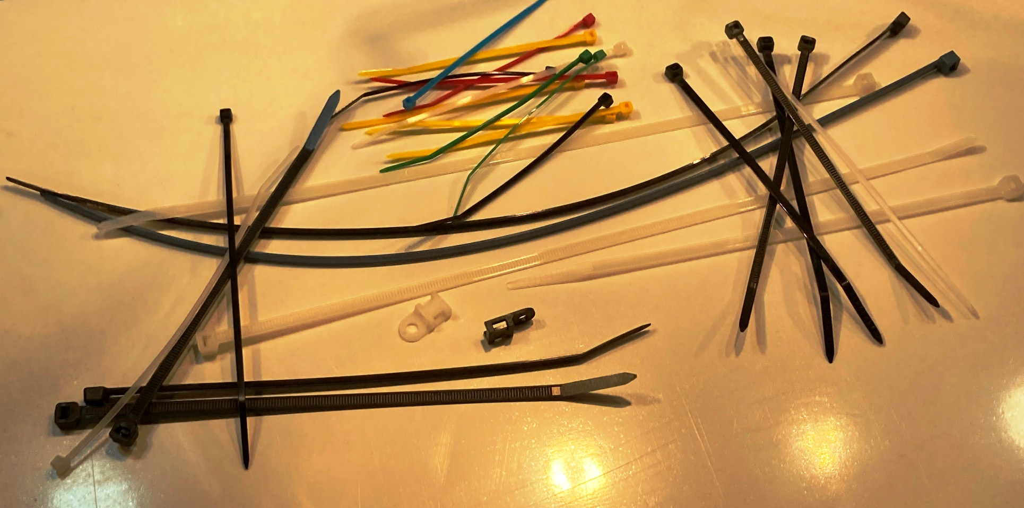
Items for Sale - Cable Accessories
Category | Manufacturer | Part No. / Description | Office Use |  | Price | per
Cable Cleats | AEI (?) | Standard Telcleat No.5 10-12mmØ | Q18 | 02H | £0.20 | each
Cable Cleats | AEI (?) | Standard Telcleat No.6 12-15mmØ | Q18 | 02H | £0.20 | each
Cable Cleats | BICC | Telcleat, 385AA01, 10.5-14.5mmØ | Q18 | 02H | £0.20 | each
Cable Cleats | BICC | Telcleat, 385AA02, 12.2-16.7mmØ | Q18 | 02H | £0.20 | each
Cable Clips | u/k | Flat, for Bell Wire 2x4mm White | Q26 | 02H | £0.20 | 20
Cable Clips | u/k | Flat, for Oval Flexes 4x6mm White | Q26 | 02H | £0.20 | 10
Cable Clips | u/k | Flat, for Oval Flexes 5x8mm White | Q26 | 02H | £0.20 | 10
Cable Clips | u/k | Flat, for Shotgun Cable 4mmØx2 Black | Q25 | 02H | £0.10 | 10
Cable Clips | u/k | Flat, for Twin & Earth Cables 1.5mm² Grey | Q26 | 02H | £0.10 | 10
Cable Clips | u/k | Flat, for Twin & Earth Cables 1.5mm² White | Q25 | 02H | £0.10 | 10
Cable Clips | u/k | Flat, for Twin & Earth Cables 10mm² White | Q25 | 02H | £0.20 | 10
Cable Clips | u/k | Flat, for Twin & Earth Cables 1mm² Grey | Q26 | 02H | £0.10 | 10
Cable Clips | u/k | Flat, for Twin & Earth Cables 1mm² White | Q25 | 02H | £0.10 | 10
Cable Clips | u/k | Flat, for Twin & Earth Cables 2.5mm² White | Q25 | 02H | £0.10 | 10
Cable Clips | u/k | Flat, for Twin Fig.8 Speaker Cables 3x6mm White | Q25 | 02H | £0.10 | 10
Cable Clips | Prysmian | RCHL28B P-Clips for FP200 Cable (2core 1.5mm²), Black | Q25 | 02H | £0.21 | 10
Cable Clips | Prysmian | RCHL47R P-Clips for FP200 Cable (4core 1.5mm²) Red | Q25 | 02H | £0.43 | 10
Cable Clips | u/k | Round, for BT Phone Cables 3.5mmØ White | Q25 | 02H | £0.20 | 20
Cable Clips | u/k | Round, for Circular Flexes & Co-Axial Cables 7mmØ Brown | Q25 | 02H | £0.20 | 10
Cable Clips | u/k | Round, for Circular Flexes & Co-Axial Cables 7mmØ White | Q25 | 02H | £0.10 | 10
Cable Clips | u/k | Round, for Circular Flexes & Satellite Cables 8mmØ Black | Q26 | 02H | £0.10 | 10
Cable Clips | u/k | Round, for Circular Flexes 10mmØ Black | Q26 | 02H | £0.20 | 10
Cable Clips | u/k | Round, for Circular Flexes 10mmØ White | Q25 | 02H | £0.20 | 10
Cable Clips | generic | Round, for Circular Flexes 12mmØ Black | Q25 | 02H | £0.80 | 10
Cable Clips | u/k | Round, for Circular Flexes 12mmØ White | Q26 | 02H | £0.20 | 10
Cable Clips | u/k | Round, for Circular Flexes 4mmØ Black | Q26 | 02H | £0.10 | 10
Cable Clips | u/k | Round, for Circular Flexes 5mmØ Black | Q26 | 02H | £0.10 | 10
Cable Clips | u/k | Round, for Circular Flexes 5mmØ White | Q25 | 02H | £0.10 | 10
Cable Clips | u/k | Round, for Circular Flexes 6mmØ Black | Q26 | 02H | £0.10 | 10
Cable Clips | u/k | Round, for Circular Flexes 6mmØ White | Q25 | 02H | £0.10 | 10
Cable Clips | u/k | Round, for Circular Flexes 7mmØ Black | Q26 | 02H | £0.10 | 10
Cable Clips | u/k | Round, for Circular Flexes 9mmØ Black | Q26 | 02H | £0.10 | 10
Cable Clips | u/k | Round, for Phone & Alarm Cables 4mmØ White | Q25 | 02H | £0.10 | 10
Cable Clips | generic | Round, for Single Cables 2-3mmØ Translucent | Q25 | 02H | £0.10 | 10
Cable Glands & Accessories | Wiska | 10060953 MFD Multi-Hole Insert for Shotgun Co-Axial Cables | CB86 | 02G | £0.30 | each
Cable Glands & Accessories | Wiska | 10062185 RDE Insert for 4-8mmØ Round Cables | CB86 | 02G | £0.30 | each
Cable Glands & Accessories | Wiska | 10062185 RDE Reduction Insert for 318*Y & LED | CB86 | 02G | £0.30 | each
Cable Glands & Accessories | Wiska | 10064322 FFD Flat Cable Insert for 1-1.5mm² T&E Cables | CB86 | 02G | £0.49 | each
Cable Glands & Accessories | Wiska | 10100611 GLP 20 Sprint Plus IP68 White Cable Gland 6.2-14mmØ | CB86 | 02G | £0.40 | each
Cable Glands & Accessories | Wiska | 10100612 GLP 20 Sprint Plus IP68 Black Cable Gland 6.2-14mmØ | CB86 | 02G | £0.40 | each
Cable Glands & Accessories | Wiska | 10100635 ESKV Grey IP68 Cable Gland 7.5-14mmØ Cables | CB86 | 02G | £0.40 | each
Cable Glands & Accessories | Wiska | 10100825 Sprint Plus Domed Round Cable Gland, Black, 6.2-14mmØ | CB18 | 02G | £0.57 | each
Cable Glands & Accessories | Wiska | 10101192 FFD Flat Cable Insert for 2.5mm² T&E | CB86 | 02G | £0.30 | each
Cable Glands & Accessories | Wiska | 10105345 FFD Flat Cable Insert for 2 x 1/1.5mm² T&E | CB86 | 02G | £0.30 | each
Cable Glands & Accessories | Wiska | 10109006 GFD Split Cable Insert for Cat.5 & Cat.6 | CB86 | 02G | £0.30 | each
Cable Glands & Accessories | Wiska | 10112913 Trishot Cable Gland & Locknut, White | CB18 | 02G | £1.28 | each
Cable Glands & Accessories | Elkay | 20sA2P Domed Round Cable Gland 20mm Grey, 5-10mmØ | CB18 | 02G | £0.70 | each
Cable Glands & Accessories | Norslo | 20SCWK SWA Gland Kit - 2glands/2shrouds/2tags/2nuts 20mmS | CB17 | 02G | £6.50 | each
Cable Glands & Accessories | GreenBrook | 25CWK SWA Gland Kit - 2glands/2shrouds/2tags/2nuts 25mm | CB17 | 02G | £6.64 | each
Cable Glands & Accessories | Concordia Technologies | ABW 20S SWA Gland Kit - 2glands/2shrouds/2tags/2nuts 20mmS | CB17 | 02G | £2.75 | each
Cable Glands & Accessories | CPC | CB08625 Domed Round Cable Gland 20mm Grey IP68, 6-11mmØ | CB18 | 02G | £0.40 | each
Cable Glands & Accessories | Wiska | Domed Flat Cable Gland 20mm Black | CB18 | 02G | £0.70 | each
Cable Glands & Accessories | u/k | Domed Round Cable Gland 12mm Blue/Black, Skintop EExeII | CB18 | 02G | £1.00 | each
Cable Glands & Accessories | generic | Domed Round Cable Gland 16mm Black, 4-8mmØ | CB18 | 02G | £0.70 | each
Cable Glands & Accessories | generic | Domed Round Cable Gland 16mm Black, 5-10mmØ | CB18 | 02G | £0.70 | each
Cable Glands & Accessories | generic | Domed Round Cable Gland 20mm Black, 6-12mmØ | CB18 | 02G | £0.70 | each
Cable Glands & Accessories | u/k | Domed Round Cable Gland 20mm Black, Skintop EExeII | CB18 | 02G | £1.00 | each
Cable Glands & Accessories | u/k | Domed Round Cable Gland 20mm Blue/Black, Skintop EExeII | CB18 | 02G | £1.00 | each
Cable Glands & Accessories | Pirelli | Domed Round Cable Gland 20mm Red, 5-9mmØ | CB18 | 02G | £0.70 | each
Cable Glands & Accessories | generic | Domed Round Cable Gland 20mm Red, 6-10mmØ | CB18 | 02G | £0.70 | each
Cable Glands & Accessories | HellermannTyton | NGM20-WHT Nylon Cable Gland 20mm White 10-14mmØ | CB18 | 02G | £0.79 | each
Cable Glands & Accessories | Lewden | PD435 Brass Stuffing Gland 20mm | CB18 | 02G | £1.52 | each
Cable Glands & Accessories | generic | Round Cable Gland 20mm Red | CB18 | 02G | £0.70 | each
Cable Glands & Accessories | Beisit | Skintop Cable Gland 20mm Black 7-10mm Ø | CB18 | 02G | £0.70 | each
Cable Glands & Accessories | Beisit | Skintop Cable Gland 20mm Red 10-13mm Ø | CB18 | 02G | £0.70 | each
Cable Glands & Accessories | Wiska | Sprint Plus Domed Round Cable Gland 20mm White, 7.5-14mmØ | CB18 | 02G | £0.70 | each
Cable Glands & Accessories | u/k | Stainless Steel Round Cable Gland ½" 3-6mmØ | CB18 | 02G | £1.00 | each
Cable Glands & Accessories | u/k | Stainless Steel Round Cable Gland ¾" 5-9mmØ | CB18 | 02G | £1.50 | each
Cable Glands & Accessories | u/k | Stainless Steel Round Cable Gland 12mm 3-5mmØ | CB18 | 02G | £1.50 | each
Cable Glands & Accessories | u/k | Stainless Steel Round Cable Gland 20mm 6-10mmØ | CB18 | 02G | £1.50 | each
Cable Glands & Accessories | u/k | Stainless Steel Round Cable Gland 20mm 7-11mmØ EExeII | CB18 | 02G | £1.00 | each
Cable Glands & Accessories | u/k | Stainless Steel Round Cable Gland 20mm 7-12mmØ | CB18 | 02G | £1.50 | each
Cable Glands & Accessories | generic | SWA Earth Tags 20mm Brass, Various Styles | CB17 | 02G | £0.30 | each
Cable Glands & Accessories | generic | SWA Gland 20mm Brass CW | CB17 | 02G | £2.00 | each
Cable Glands & Accessories | CMP | SWA Gland 20mmL Brass CW | CB17 | 02G | £2.00 | each
Cable Glands & Accessories | CMP | SWA Gland 20mmS Brass CW | CB17 | 02G | £2.00 | each
Cable Glands & Accessories | generic | SWA Shroud 20mmCW Black PVC | CB17 | 02G | £0.50 | each
Cable Glands & Accessories | CMP | SWA Shroud 20mmLCW Black PVC | CB17 | 02G | £0.50 | each
Cable Tidies | generic | Desk Cable Tidy Round Grey 60mmØ | J6 | 02M | £2.49 | each
Cable Tidies | generic | Desk Cable Tidy Square White 60mm Sq. | J6 | 02M | £2.99 | each
Cable Tie Mounts | Unicrimp | Eyelet 4.3mm Black | CB08 | 02K | £0.20 | 10
Cable Tie Mounts | Unicrimp | Eyelet 4.3mm Natural | CB08 | 02K | £0.20 | 10
Cable Ties | Colson | Double-Locking 9x250mm Black | CB08 | 02K | £0.10 | each
Cable Ties | generic | Nylon 2.5x100mm Black | CB08 | 02K | £0.10 | 10
Cable Ties | generic | Nylon 2.5x100mm Blue | CB08 | 02K | £0.10 | 10
Cable Ties | generic | Nylon 2.5x100mm Green | CB08 | 02K | £0.10 | 10
Cable Ties | generic | Nylon 2.5x100mm Natural | CB08 | 02K | £0.10 | 10
Cable Ties | generic | Nylon 2.5x100mm Red | CB08 | 02K | £0.10 | 10
Cable Ties | generic | Nylon 2.5x100mm Yellow | CB08 | 02K | £0.10 | 10
Cable Ties | generic | Nylon 2.5x120mm Natural | CB08 | 02K | £0.25 | 10
Cable Ties | generic | Nylon 2.5x140mm Natural | CB08 | 02K | £0.25 | 10
Cable Ties | generic | Nylon 3.6x120mm Natural | CB08 | 02K | £0.30 | 10
Cable Ties | generic | Nylon 3.6x140mm Black | CB08 | 02K | £0.30 | 10
Cable Ties | Unicrimp | Nylon 3.6x150mm Natural | CB08 | 02K | £0.20 | 10
Cable Ties | Pro-Power | Nylon 4.5x170mm Natural | CB08 | 02K | £0.30 | 10
Cable Ties | Ty-Its | Nylon 4.6x300mm Natural | CB08 | 02K | £0.30 | 10
Cable Ties | generic | Nylon 4.8x200mm Natural | CB08 | 02K | £0.40 | 10
Cable Ties | Unicrimp | Nylon 4.8x200mm Natural | CB08 | 02K | £0.30 | 10
Cable Ties | generic | Nylon 4.8x240mm Black | CB08 | 02K | £0.10 | 10
Cable Ties | generic | Nylon 4x180mm Black | CB08 | 02K | £0.40 | 10
Cable Ties | generic | Stainless Steel 4.5x140mm | CB08 | 02K | £0.10 | each
Cable Ties | u/k | Weatherproof 4.5x160mm Black | CB08 | 02K | £0.30 | 10
Earth Sleeving | generic | PVC Earth Sleeving, Green/Yellow 2mmØ | 2A2 | 02M | £0.10 | metre
Earth Sleeving | generic | PVC Earth Sleeving, Green/Yellow 3mmØ | 2A2 | 02M | £0.10 | metre
Earth Sleeving | generic | PVC Earth Sleeving, Green/Yellow 5mmØ | 2A2 | 02M | £0.10 | metre
Spiral Binding | Hellermann | 1NFPNL Spiral Binding, Natural | 2A2 | 02M | £0.38 | metre
Spiral Binding | Hellermann | 2NFPNL Spiral Binding, Natural | 2A2 | 02M | £0.38 | metre

Notes: All items available while stocks last. In a few cases I may only have one of two of some items, but please feel free to enquire before ordering. All items offered here are new and will be bagged-up when ordered.

Cable Management
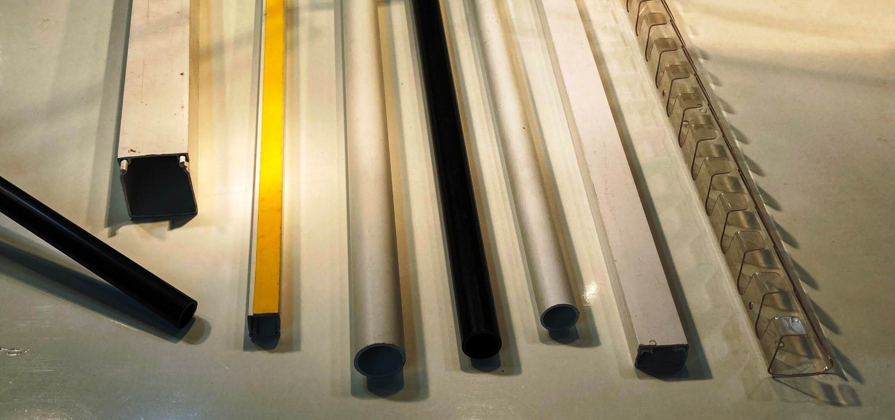
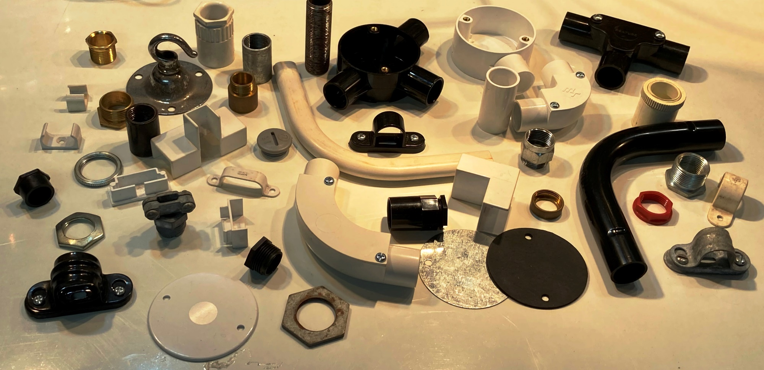
 | Items for Sale - Cable Management
Category | Manufacturer | Part No. / Description | Office Use |  | Price | per
Conduit & Trunking | Marshall-Tufflex | CR6 20mmØ Round Conduit Tube, Heavy Gauge High Impact, White 3m | WC2 | 02A | £3.12 | Length
Conduit & Trunking | Marshall-Tufflex | CR7 25mmØ Round Conduit Tube, Heavy Gauge High Impact, White 3m | WC2 | 02A | £6.20 | Length
Conduit & Trunking | MK/Ega | EOC/3 20mm Oval Conduit, White 3m | WC2 | 02A | £2.34 | Length
Conduit & Trunking | MK/Ega | EOC/4 25mm Oval Conduit, White 3m | WC2 | 02A | £2.50 | Length
Conduit & Trunking | MK/Ega | HIP/1 16mmØ Round Conduit Tube, Heavy Gauge High Impact, Black 3m | S | 02A | £3.12 | Length
Conduit & Trunking | MK/Ega | HIP/2 20mmØ Round Conduit Tube, Heavy Gauge High Impact, Black 3m | WC2 | 02A | £3.12 | Length
Conduit & Trunking | Marshall-Tufflex | MMT1SF Self-Adhesive Mini-Trunking 16x16mm White 3m | WC1 | 02D | £7.89 | Length
Conduit & Trunking | Marshall-Tufflex | MMT2SF Self-Adhesive Mini-Trunking 16x25mm White 3m | WC1 | 02D | £6.79 | Length
Conduit Accessories - PVC | CPC | 1-way Stop-End BESA Box 20mm White | S1 | 02B | £1.63 | each
Conduit Accessories - PVC | MK/Ega | 2/ECR/7 1-Way Stop-End BESA Box with Back-Outlet 20mm Black | S1 | 02B | £1.75 | each
Conduit Accessories - PVC | Marshall-Tufflex | 2MRB5 3-Way Tee BESA Box 20mm White | S1 | 02B | £1.62 | each
Conduit Accessories - PVC | Marshall-Tufflex | 3MRB3 2-Way Through BESA Box 25mm Black | S1 | 02B | £1.76 | each
Conduit Accessories - PVC | Marshall-Tufflex | 3MRB3 2-Way Through BESA Box 25mm White | S1 | 02B | £1.76 | each
Conduit Accessories - PVC | Marshall-Tufflex | 3MRB4 2-Way Angle BESA Box 25mm Black | S1 | 02B | £1.76 | each
Conduit Accessories - PVC | CPC | 3-way Tee BESA Box 20mm Black | S1 | 02B | £1.84 | each
Conduit Accessories - PVC | generic | BESA Box Lid, Black | MT2 | 02B | £0.77 | each
Conduit Accessories - PVC | generic | BESA Box Lid, White | MT2 | 02B | £1.02 | each
Conduit Accessories - PVC | MK/Ega | ECL/2 Lockring 20mm Black | MT2 | 02B | £0.20 | each
Conduit Accessories - PVC | MK/Ega | ECL/2 Lockring 20mm White | MT2 | 02B | £0.20 | each
Conduit Accessories - PVC | MK/Ega | EIB/2 Inspection Bend 20mm White | MT2 | 02B | £2.00 | each
Conduit Accessories - PVC | MK/Ega | EIE/2 Inspection Elbow 20mm Black | MT2 | 02B | £1.76 | each
Conduit Accessories - PVC | MK/Ega | EIE/2 Inspection Elbow 20mm White | MT2 | 02B | £1.76 | each
Conduit Accessories - PVC | MK/Ega | EIT/2 Inspection Tee 20mm Black | MT2 | 02B | £2.40 | each
Conduit Accessories - PVC | MK/Ega | EMA/1 Male Adapter 16mm Black (20mm Adapter + 20-16mm Reducer) | S1 | 02B | £1.00 | each
Conduit Accessories - PVC | MK/Ega | EMA/2 Male Adapter 20mm Black | MT2 | 02B | £0.40 | each
Conduit Accessories - PVC | MK/Ega | ENB/2 Heavy Gauge Normal Bend 20mm Black | MT2 | 02B | £3.04 | each
Conduit Accessories - PVC | MK/Ega | EOC/2 Oval Conduit Clip 16mm White | MT2 | 02B | £0.20 | each
Conduit Accessories - PVC | MK/Ega | EOC/3 Oval Conduit Clip 20mm White | MT2 | 02B | £0.20 | each
Conduit Accessories - PVC | MK/Ega | ER/1 Reducer 20-16mm Black | 2A3 | 02B | £0.60 | each
Conduit Accessories - PVC | MK/Ega | ER/2 Reducer 25-20mm White | MT2 | 02B | £1.36 | each
Conduit Accessories - PVC | MK/Ega | ESB/2 Spacer-Bar Saddle 20mm Black | MT2 | 02B | £0.78 | each
Conduit Accessories - PVC | MK/Ega | ESB/2 Spacer-Bar Saddle 20mm White | MT2 | 02B | £0.78 | each
Conduit Accessories - PVC | MK/Ega | ESC/1 Heavy Gauge Coupling 16mm Black | 2A3 | 02B | £0.30 | each
Conduit Accessories - PVC | MK/Ega | ESC/2 Heavy Gauge Coupling 20mm Black | MT2 | 02B | £0.56 | each
Conduit Accessories - PVC | generic | Flanged Locknut 20mm Black | MT2 | 02B | £0.20 | each
Conduit Accessories - PVC | generic | Flanged Locknut 20mm Red | MT2 | 02B | £0.20 | each
Conduit Accessories - PVC | generic | Flanged Locknut 20mm White | MT2 | 02B | £0.20 | each
Conduit Accessories - PVC | C.E.D. | Heavy Gauge Coupling 20mm Ivory | TB11 | 02B | £0.56 | each
Conduit Accessories - PVC | C.E.D. | Inspection Tee 20mm Ivory | TB11 | 02B | £2.40 | each
Conduit Accessories - PVC | generic | Light Normal Bend 20mm White | S1 | 02B | £1.19 | each
Conduit Accessories - PVC | generic | Light Normal Bend 25mm White | S1 | 02B | £3.00 | each
Conduit Accessories - PVC | generic | Locknut 20mm Black | TB09 | 02B | £0.10 | each
Conduit Accessories - PVC | generic | Locknut 20mm White | TB09 | 02B | £0.10 | each
Conduit Accessories - PVC | generic | Lockring 20mm Black | MT2 | 02B | £0.20 | each
Conduit Accessories - PVC | Marshall-Tufflex | MAB2 Female Adapter 20mm Black | MT2 | 02B | £0.53 | each
Conduit Accessories - PVC | Marshall-Tufflex | MAB2 Female Adapter 20mm White | MT2 | 02B | £0.53 | each
Conduit Accessories - PVC | Marshall-Tufflex | MAB2 Female Adapter 25mm White | MT2 | 02B | £0.85 | each
Conduit Accessories - PVC | C.E.D. | Male Adapter 20mm Ivory | TB11 | 02B | £0.78 | each
Conduit Accessories - PVC | generic | Male Bush 20mm Black | TB09 | 02B | £0.10 | each
Conduit Accessories - PVC | generic | Male Bush 20mm White | TB09 | 02B | £0.10 | each
Conduit Accessories - PVC | Marshall-Tufflex | MCL1 BESA Box Lid 65mmØ Black | MT2 | 02B | £0.48 | each
Conduit Accessories - PVC | Marshall-Tufflex | MCL2 BESA Box Lid 85mmØWhite | MT2 | 02B | £0.96 | each
Conduit Accessories - PVC | Marshall-Tufflex | MIB3WH Inspection Bend 25mm White | S1 | 02B | £3.76 | each
Conduit Accessories - PVC | Marshall-Tufflex | MIE2WH Inspection Elbow 20mm White | MT2 | 02B | £1.37 | each
Conduit Accessories - PVC | Marshall-Tufflex | MIT3 Inspection Tee 25mm White | S1 | 02B | £3.50 | each
Conduit Accessories - PVC | Marshall-Tufflex | MSB3 Spacer-Bar Saddle 20mm White | MT2 | 02B | £0.78 | each
Conduit Accessories - PVC | Marshall-Tufflex | MSB3 Spacer-Bar Saddle 25mm White | MT2 | 02B | £0.99 | each
Conduit Accessories - PVC | MK/Ega | OFB/2 Oval Forward Bend 16mm White | MT2 | 02B | £2.00 | each
Conduit Accessories - PVC | MK/Ega | OS/4 Oval Conduit Saddle 25mm White | MT2 | 02B | £0.50 | each
Conduit Accessories - PVC | MK/Ega | OSB/2 Oval Side Bend 16mm White | MT2 | 02B | £2.00 | each
Conduit Accessories - PVC | generic | Oval Conduit Clip 16mm White | MT2 | 02B | £0.25 | each
Conduit Accessories - PVC | Tower | Spacer Bar Saddle 20mm Black | S1 | 02B | £0.40 | each
Conduit Accessories - PVC | Precision | Spacer-Bar Saddle 20mm Ivory | TB11 | 02B | £0.78 | each
Conduit Accessories - PVC | generic | Spacer-Bar Saddle 20mm White | MT2 | 02B | £0.55 | each
Conduit Accessories - PVC | CPC | Stop End / Blanking Plug 20mm Black | MT2 | 02B | £0.61 | each
Conduit Accessories - Steel | Norslo | 1-way Galvanised Stop-End Box 20mm | TB02 | 02C | £2.00 | each
Conduit Accessories - Steel | generic | 1-way Galvanised Stop-End Box 20mm with Back-Outlet | TB02 | 02C | £5.00 | each
Conduit Accessories - Steel | generic | 1-way Galvanised Stop-End Box 25mm | TB02 | 02C | £2.73 | each
Conduit Accessories - Steel | generic | 2-way Galvanised Angle-Box 20mm | TB02 | 02C | £2.58 | each
Conduit Accessories - Steel | Norslo | 2-way Galvanised Angle-Box 20mm | TB02 | 02C | £1.85 | each
Conduit Accessories - Steel | Norslo | 2-way Galvanised Through-Box 20mm | TB02 | 02C | £3.32 | each
Conduit Accessories - Steel | Norslo | 2-way Galvanised U-Box 20mm | TB02 | 02C | £2.34 | each
Conduit Accessories - Steel | Norslo | 3-way Galvanised T-Box 20mm | TB02 | 02C | £4.64 | each
Conduit Accessories - Steel | generic | BESA Box Lid, Black Enamel | MT2 | 02C | £0.32 | each
Conduit Accessories - Steel | generic | BESA Box Lid, Galvanised | MT2 | 02C | £0.25 | each
Conduit Accessories - Steel | Lewden | Cable Clamp 20mm Galvanised | MT2 | 02C | £1.50 | each
Conduit Accessories - Steel | generic | Female Brass Bush 20mm | MT2 | 02C | £0.34 | each
Conduit Accessories - Steel | generic | Hook Plate, Galvanised. 66mØ | MT2 | 02C | £3.04 | each
Conduit Accessories - Steel | generic | Locknut ¾" Black Enamel | MT2 | 02C | £0.30 | each
Conduit Accessories - Steel | generic | Locknut 20mm Galvanised | MT2 | 02C | £0.30 | each
Conduit Accessories - Steel | generic | Locknut 20mm Heavy-Duty Black Enamel | MT2 | 02C | £0.40 | each
Conduit Accessories - Steel | generic | Locknut 25mm Self-Colour | MT2 | 02C | £0.40 | each
Conduit Accessories - Steel | generic | Lockring ¾" Self-Colour | MT2 | 02C | £0.30 | each
Conduit Accessories - Steel | generic | Lockring 20mm Self-Colour | MT2 | 02C | £0.30 | each
Conduit Accessories - Steel | generic | Lockring 20mm Zinc-Plated | MT2 | 02C | £0.30 | each
Conduit Accessories - Steel | generic | Lockring 25mm Self-Colour | MT2 | 02C | £0.52 | each
Conduit Accessories - Steel | generic | Lockring 25mm Zinc-Plated | MT2 | 02C | £0.52 | each
Conduit Accessories - Steel | generic | Male Brass Bush 20mm | MT2 | 02C | £0.40 | each
Conduit Accessories - Steel | generic | Male Brass Bush 20mm Long Pattern | MT2 | 02C | £0.43 | each
Conduit Accessories - Steel | generic | Nipple 20mm Self-Colour | MT2 | 02C | £0.65 | each
Conduit Accessories - Steel | generic | Solid Coupler 20mm Galvanised | MT2 | 02C | £0.25 | each
Conduit Accessories - Steel | generic | Solid Elbow 20mm Galvanised | TB02 | 02C | £5.00 | each
Conduit Accessories - Steel | generic | Spacer-Bar Saddle 20mm Galvanised | MT2 | 02C | £1.00 | each
Conduit Accessories - Steel | generic | Spacer-Bar Saddle 25mm Black Enamel | MT2 | 02C | £0.42 | each
Conduit Box Gaskets | u/k | BESA Box Gasket, Plain | MT2 | 02M | £0.25 | each
Flexible Conduit | Flexicon | Corrugated PVC Flexible Conduit 20mmØ Black | S27 | 02X | £1.15 | metre
Flexible Conduit | generic | Corrugated PVC Flexible Conduit 25mmØ Green | S27 | 02X | £1.00 | metre
Flexible Conduit | generic | Corrugated PVC Flexible Conduit 32mmØ Black | S27 | 02X | £1.30 | metre
Flexible Conduit | Flexicon | Flexible Conduit Gland 20mm Black c/w Locknut | S27 | 02X | £0.95 | each
Trunking Accessories | u/k | Cable Retainer Black PVC | TBF&L | 02M | £0.25 | each
Trunking Accessories | u/k | CB232 Smoke Alarm Base 35x150mmØc/w 4pole Terminal Block | S1 | 02F | £2.00 | each
Trunking Accessories | u/k | External Corner 16x25mm White | MT2 | 02F | £1.04 | each
Trunking Accessories | u/k | Flat Angle 16x25mm White | MT2 | 02F | £1.04 | each
Trunking Accessories | Dietzel Univolt | Flat Tee 16x25mm White | 2A3 | 02F | £0.80 | each
Trunking Accessories | u/k | Internal Corner 16x25mm White | MT2 | 02F | £1.04 | each
Trunking Accessories | Mita | PL14096 (CPC) Ceiling Rose Adapter 12x81mmØ White | S1 | 02F | £2.00 | each
Trunking Accessories | Generic | Side Tee 16x25mm - 16x16mm Aperture, White | MT2 | 02F | £0.80 | each
Trunking Accessories | Marshall-Tufflex | TA2 Surface Box Adaptor for MMT2 Trunking (16x25) White | MT2 | 02F | £0.65 | each
Trunking Accessories | Marshall-Tufflex | TCR2 Ceiling Rose Adapter 12x81mmØ White | MT2 | 02F | £2.00 | each
Trunking Accessories | Marshall-Tufflex | TEB1 External Corner 16x16mm White | MT2 | 02F | £1.04 | each
Trunking Accessories | Marshall-Tufflex | TEB2 External Corner 16x25mm White | MT2 | 02F | £0.82 | each
Trunking Accessories | Marshall-Tufflex | TEC2 End Cap 16x25mm White | MT2 | 02F | £0.56 | each
Trunking Accessories | Marshall-Tufflex | TEC3 End Cap 16x38mm White | MT2 | 02F | £0.56 | each
Trunking Accessories | Marshall-Tufflex | TEDB4CWH External Data Bend 25x38mm White | S1 | 02F | £4.50 | each
Trunking Accessories | Marshall-Tufflex | TFB1 Flat Angle 16x16mm White | MT2 | 02F | £1.04 | each
Trunking Accessories | Marshall-Tufflex | TFB2 Flat Angle 16x25mm White | MT2 | 02F | £0.85 | each
Trunking Accessories | Marshall-Tufflex | TFB3 Flat Angle 16x38mm White | MT2 | 02F | £1.28 | each
Trunking Accessories | Marshall-Tufflex | TIB2 Internal Corner 16x25mm White | MT2 | 02F | £1.04 | each
Trunking Accessories | Marshall-Tufflex | TIDB4CWH Internal Data Bend 25x38mm White | S1 | 02F | £3.00 | each
Trunking Accessories | Marshall-Tufflex | TT2-2 Equal Flat Tee 16x25mm White | MT2 | 02F | £0.80 | each
Trunking Accessories | MK/Ega | YAE/2 External Corner 16x25mm White | MT2 | 02F | £1.04 | each
Trunking Accessories | MK/Ega | YAE/3 External Corner 16x40mmWhite | MT2 | 02F | £1.28 | each
Trunking Accessories | MK/Ega | YAF/3 Flat Angle 16x40mm White | MT2 | 02F | £1.28 | each
Trunking Accessories | MK/Ega | YAI/2 Internal Corner 16x25mm White | MT2 | 02F | £1.04 | each
Trunking Accessories | MK/Ega | YC1 Coupling 16x16mm White | MT2 | 02F | £0.88 | each
Trunking Accessories | MK/Ega | YC2 Coupling 16x25mm White | MT2 | 02F | £0.88 | each
Trunking Accessories | MK/Ega | YEP1 End Cap 16x16mm White | MT2 | 02F | £0.48 | each
Trunking Accessories | MK/Ega | YEP2 End Cap 16x25mm White | MT2 | 02F | £0.48 | each
Trunking Accessories | MK/Ega | YEP3 End Cap 16x40mm White | MT2 | 02F | £0.72 | each

Notes: All items available while stocks last. In a few cases I may only have one of two of some items, but please feel free to enquire before ordering. All items offered here are as new / unused, and will be bagged-up when ordered.

Electrical Accessories
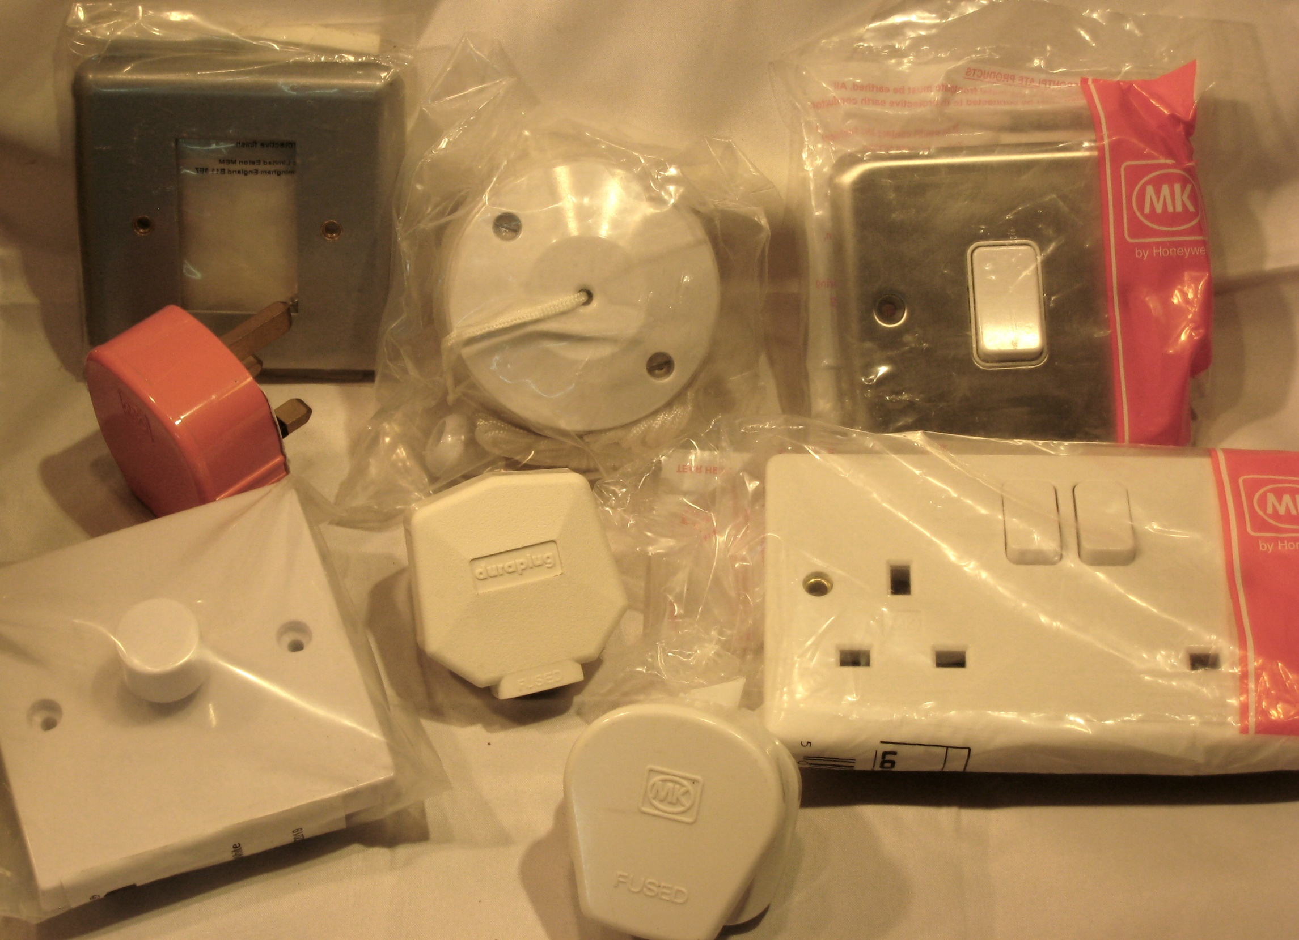
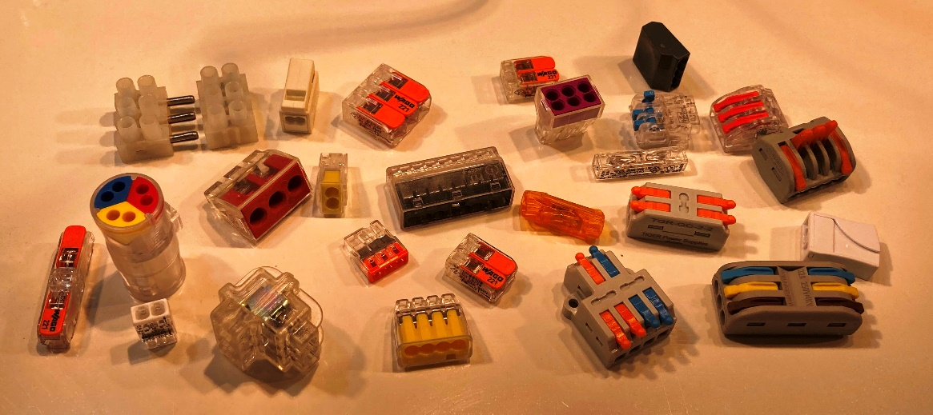
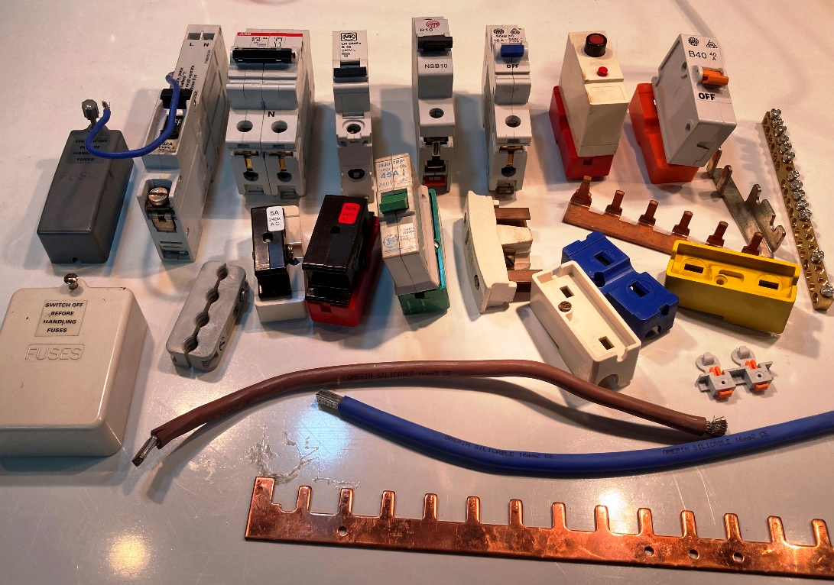
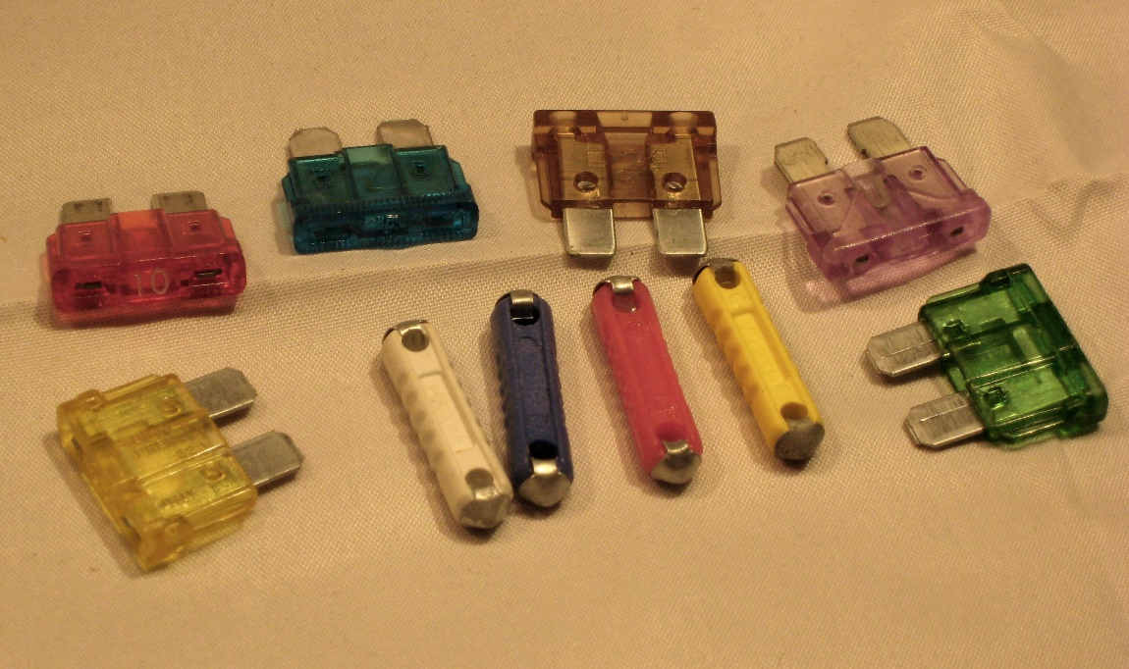
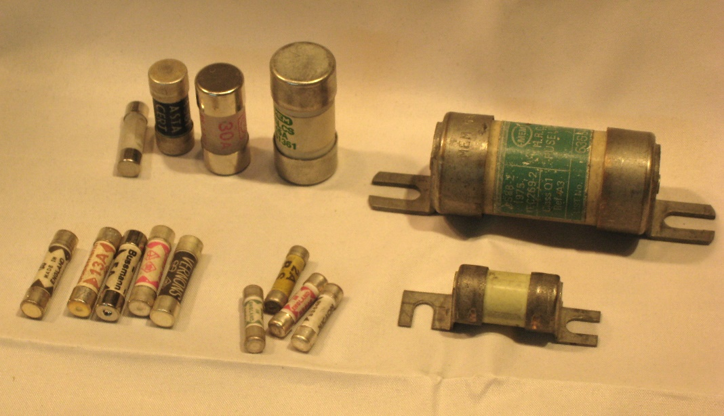
 | Items for Sale - Electrical Accessories
Category | Manufacturer | Part No. / Description | Office Use |  | Price | per
Antenna Connectors | Kenable | 33-013 Right-Angle Metal Co-Axial Adapter Plug/Socket | CB03 | 08M | £1.80 | each
Antenna Connectors | u/k | BNC Back-to-Back Connector F/F, Various Styles | CB03 | 08M | £0.39 | each
Antenna Connectors | u/k | BNC Plug to RCA Socket Adapter | CB03 | 08M | £0.64 | each
Antenna Connectors | u/k | BNC Splitter M-2xF | CB03 | 08M | £1.00 | each
Antenna Connectors | Generic | Car Aerial Panel-Socket | CB03 | 08M | £0.25 | each
Antenna Connectors | Generic | Car Aerial Plug, Black | CB03 | 08M | £0.25 | each
Antenna Connectors | Generic | Co-Axial Back-to-Back Connector, F/F, Black | CB03 | 08M | £0.35 | each
Antenna Connectors | Generic | Co-Axial Back-to-Back Connector, F/F, Metal | CB03 | 08M | £0.35 | each
Antenna Connectors | Generic | Co-Axial Back-to-Back Connector, F/F, White | CB03 | 08M | £0.35 | each
Antenna Connectors | Generic | Co-Axial Back-to-Back Connector, M/M, White | CB03 | 08M | £0.35 | each
Antenna Connectors | Generic | Co-Axial InLine Socket, body only | CB03 | 08M | £0.37 | each
Antenna Connectors | Generic | Co-Axial InLine Socket, complete | CB03 | 08M | £0.29 | each
Antenna Connectors | Pro-Signal | Co-Axial Line Coupler, White | CB03 | 08M | £0.46 | each
Antenna Connectors | Generic | Co-Axial Panel Socket | CB03 | 08M | £0.25 | each
Antenna Connectors | u/k | Co-Axial Plug, Black Plastic Body | CB03 | 08M | £0.35 | each
Antenna Connectors | Generic | Co-Axial Plug, complete | CB03 | 08M | £0.30 | each
Antenna Connectors | u/k | Co-Axial Plug, White Plastic Body | CB03 | 08M | £0.35 | each
Antenna Connectors | u/k | Co-Axial Socket to F-Type Socket Adaptor | CB03 | 08M | £0.40 | each
Antenna Connectors | Generic | Co-Axial Y-Connector 1M/2F | CB03 | 08M | £0.30 | each
Antenna Connectors | Generic | F-Type Back-to-Back Connector F/F, Various Styles | CB03 | 08M | £0.47 | each
Antenna Connectors | Generic | F-Type Satellite Plugs, Various Styles | CB03 | 08M | £0.26 | each
Antenna Connectors | u/k | N-Plug to RCA Socket Adapter | CB03 | 08M | £0.50 | each
Antenna Connectors | Generic | Surface Mini Co-Axial TV Socket | CB03 | 08M | £0.70 | each
Boxes & Patresses | MK Logic | 2132WHI MIC Twin Surface Box | 1B2 | 08F | £4.50 | each
Boxes & Patresses | MK Logic | 2140WHI Single Pattress, 32mm | 1B2 | 08F | £1.22 | each
Boxes & Patresses | MK Logic | 2142WHI Twin Pattress, 32mm | 1B2 | 08F | £1.76 | each
Boxes & Patresses | MK Logic | 2172WHI Twin Pattress, 40mm | 1B2 | 08F | £2.88 | each
Boxes & Patresses | MK | 3921ZIC Architrave 1gang Metal Flush Box | 1B2 | 08F | £1.00 | each
Boxes & Patresses | Securefast | AEB02B Single Surface Box for Door Entry Button, Green 1g | 1B2 | 08F | £2.00 | each
Boxes & Patresses | Deta | Dual Flush Metal Box, 35mm | 1B2 | 08F | £1.92 | each
Boxes & Patresses | MK/Ega | ESU25/1/2 PVC Single Mini-Trunking Pattress, 25mm | 1B2 | 08F | £2.25 | each
Boxes & Patresses | MK LogicPlus | K2025WHI Dual Surface Box 38mm White | 1B2 | 08F | £5.25 | each
Boxes & Patresses | MK LogicPlus | K2031WHI Single Pattress, 40mm | 1B2 | 08F | £3.00 | each
Boxes & Patresses | MK LogicPlus | K2061WHI Single Flange Box, PVC 45mm | 1B2 | 08F | £2.50 | each
Boxes & Patresses | MK LogicPlus | K2062WHI Twin Flange Box, PVC 45mm | 1B2 | 08F | £3.50 | each
Boxes & Patresses | MK LogicPlus | K2140WHI Single Pattress, 30mm | 1B2 | 08F | £1.70 | each
Boxes & Patresses | MK LogicPlus | K2142WHI Twin Pattress, 30mm | 1B2 | 08F | £2.55 | each
Boxes & Patresses | MK LogicPlus | K2153WHI Triple Pattress, 30mm | 1B2 | 08F | £13.52 | each
Boxes & Patresses | MK LogicPlus | K2160WHI Single Pattress, 16mm | 1B2 | 08F | £1.67 | each
Boxes & Patresses | MK LogicPlus | K2213ALM Single Surface Metal Box, 41mm | 1B2 | 08F | £4.05 | each
Boxes & Patresses | Marshall-Tufflex | MSSB35WH 1g PVC Surface Box 32mm Deep, Square Corners, White | 1B2 | 08F | £2.85 | each
Boxes & Patresses | Marshall-Tufflex | MSSB92WH 2g PVC Surface Box 32mm Deep, Radiused Corners, White | 1B2 | 08F | £4.74 | each
Boxes & Patresses | Appleby | Single Dry-Lining Box, 34mm | 1B2 | 08F | £0.61 | each
Boxes & Patresses | Deta | Single Dry-Lining Box, 34mm | 1B2 | 08F | £0.48 | each
Boxes & Patresses | generic | Single Dry-Lining Box, 34mm | 1B2 | 08F | £0.48 | each
Boxes & Patresses | Deta | Single Flush Metal Box, 35mm | 1B2 | 08F | £0.64 | each
Boxes & Patresses | Appleby | Single Flush Metal Box, 44mm | 1B2 | 08F | £1.68 | each
Boxes & Patresses | generic | Single Metal Flush Box, 16mm | 1B2 | 08F | £0.54 | each
Boxes & Patresses | generic | Single Metal Flush Box, 25mm | 1B2 | 08F | £0.72 | each
Boxes & Patresses | generic | Single Metal Flush Box, 35mm | 1B2 | 08F | £0.74 | each
Boxes & Patresses | Norslo | Single Metal Flush Box, 35mm | 1B2 | 08F | £0.64 | each
Boxes & Patresses | Scolmore Click | Single MetalClad Surface Socket Box, 38mm | 1B2 | 08F | £1.20 | each
Boxes & Patresses | generic | Single Telecom/Data Surface Back-box 21mm White | 1B2 | 08F | £1.82 | each
Boxes & Patresses | generic | Twin Metal Flush Box, 25mm | 1B2 | 08F | £0.96 | each
Boxes & Patresses | Norslo | Twin Metal Flush Box, 25mm | 1B2 | 08F | £1.63 | each
Boxes & Patresses | Norslo | Twin Metal Flush Box, 35mm | 1B2 | 08F | £1.98 | each
Boxes & Patresses | Lyvia | Twin Metal Flush Box, 35mm 6 lugs | 1B2 | 08F | £0.75 | each
Ceiling Accessories | Nettle (Delta/MEM250) | 1000 Pendant BC/B22 Lampholder | S51 | 08E | £1.50 | each
Ceiling Accessories | MK | 1161WHI 3plate Ceiling Rose, White | S51 | 08E | £1.50 | each
Ceiling Accessories | MK | 1170WHI Pendant BC/B22 Lampholder with Short Skirt, T2 White | S51 | 08E | £2.00 | each
Ceiling Accessories | MK | 1174WHI Batten Holder c/w Pattress & H.O.Skirt, T2 White | S51 | 08E | £4.00 | each
Ceiling Accessories | Dencon | 1413 Pendant BC/B22 Lampholder T2 White | S51 | 08E | £1.00 | each
Ceiling Accessories | Lyvia | 1735 3plate Ceiling Rose, White | S51 | 08E | £1.00 | each
Ceiling Accessories | Lyvia | 1737 3plate Ceiling Rose, White | S51 | 08E | £1.00 | each
Ceiling Accessories | MK | 3164WHI Flush 50A DP Pull-Cord Isolator Switch with Neon, White | 2A4 | 08E | £12.50 | each
Ceiling Accessories | MK | 3172WHI Pull-Switch, Older Style 5A 2way, Without Mounting Block | S51 | 08E | £4.50 | each
Ceiling Accessories | Crabtree | 3plate Ceiling Rose, Clip-On Cover & Flex Grip, White | S51 | 08E | £1.50 | each
Ceiling Accessories | Crabtree | 3plate Ceiling Rose, White | S51 | 08E | £1.50 | each
Ceiling Accessories | Digitrac | 6PIRM01 Recessed Ceiling-Mount Presence Detector, White | S16 | 08E | £5.00 | each
Ceiling Accessories | BG | 700 Pendant BC Lampholder with Short Skirt, White | S51 | 08E | £1.12 | each
Ceiling Accessories | u/k | Angle Batten Lampholder BC/B22 | S51 | 08E | £1.26 | each
Ceiling Accessories | u/k | Angle Batten Lampholder BC/B22 with Pattress & H.O.Skirt | S51 | 08E | £1.76 | each
Ceiling Accessories | Contactum | Batten Holder c/w Pattress & H.O.Skirt, White | S51 | 08E | £2.00 | each
Ceiling Accessories | MK | K3191WHI 6A 1way Pull-Cord LightSwitch with Mounting Block, White | 2A4 | 08E | £12.43 | each
Ceiling Accessories | MEM250 | Klik Plug-in Ceiling Rose, 3p+E, c/w Red Plug, for Emergency Lighting | S4 | 08E | £3.00 | each
Ceiling Accessories | Rock | PCR2000 Plug-In Ceiling Rose, White | S4 | 08E | £2.00 | each
Ceiling Accessories | Pro-Elec | PELB1561 Pendant Set 9" BC/B22 T2 Short Skirt | TBL | 08E | £2.96 | each
Ceiling Accessories | Lyvia | Pendant BC/B22 Lampholder | S51 | 08E | £1.00 | each
Ceiling Accessories | Volex | Pendant BC/B22 Lampholder | S51 | 08E | £1.00 | each
Ceiling Accessories | u/k | Pendant BC/B22 Lampholder with H.O.Skirt | S51 | 08E | £0.80 | each
Ceiling Accessories | u/k | Pendant BC/B22 Lampholders, Various Styles | S51 | 08E | £0.70 | each
Ceiling Accessories | u/k | Pendant BC/B22 Switched Lampholder ½" Entry, White | S51 | 08E | £0.77 | each
Ceiling Accessories | generic | Pendant Set, 9" T2 White | S51 | 08E | £3.00 | each
Ceiling Accessories | u/k | Pre-Wired Pendant BC/B22 Lampholder with H.O.Skirt | S51 | 08E | £1.00 | each
Ceiling Accessories | u/k | Pre-Wired Pendant BC/B22 Lampholders, Various Styles | S51 | 08E | £0.80 | each
Ceiling Accessories | u/k | Pre-Wired Pendant ES/E27 Lampholder with 40mm Shade Ring | S51 | 08E | £1.20 | each
Ceiling Accessories | PMS | Switched Lampholder BC/B22 White c/w ½" Entry | S51 | 08E | £1.00 | each
Ceiling Accessories | IKEA | T1438 Hemma Pendant Set, E27 White 13W Max. CFL/LED | S51 | 08E | £2.56 | each
Ceiling Accessories | Volex | V258 Festoon BC/B22 Lampholder, Black | S51 | 08E | £2.00 | each
Circuit Protection | Revo | 15A Rewireable Porcelain Fuse Carrier | T8 | 08B | £1.00 | each
Circuit Protection | MEM | 30A Rewireable Porcelain Fuse Carrier | T8 | 08B | £1.50 | each
Circuit Protection | MK Sentry | 5802s Cable Clamp Only | T8 | 08B | £1.00 | each
Circuit Protection | MK Sentry | 5905 Old-Style 5A MCB Type 2 | S4 | 08B | £2.00 | each
Circuit Protection | MK Sentry | 5910 Old Style 10A MCB Type 2 | S4 | 08B | £2.00 | each
Circuit Protection | MK Sentry | 5920 Old Style 20A MCB Type 2 | S4 | 08B | £2.00 | each
Circuit Protection | MK Sentry | 5920s 20A SP MCB Type B | T8 | 08B | £3.00 | each
Circuit Protection | MK Sentry | 5932 Old Style 32A MCB Type 2 | S4 | 08B | £2.00 | each
Circuit Protection | MK Sentry | 5945s 45A SP MCB Type B | T8 | 08B | £3.00 | each
Circuit Protection | MK Sentry | 6330 Old Style 32A 30mA RBCO Type 2 | T8 | 08B | £20.00 | each
Circuit Protection | MK Sentry | 6346s 20A 30mA DP RCBO 230V | 2A4 | 08B | £25.00 | each
Circuit Protection | ABB | 7C10N 10A SP/N MCB Type C | T8 | 08B | £10.00 | each
Circuit Protection | Eaton/MEM | AD20B 20A SP MCB Type B for Memera Consumer Units | T8 | 08B | £3.00 | each
Circuit Protection | GE | AST M 100A DP Main Switch 415V 2module | S4 | 08B | £10.00 | each
Circuit Protection | GE | B16 Series E SP 16A MCB Type B 1module | S4 | 08B | £3.00 | each
Circuit Protection | Wylex | B30 Standard 30A Push-Button MCB, Red | T8 | 08B | £3.00 | each
Circuit Protection | GE | B32 EP61 SP 32A MCB Type B 1module | S4 | 08B | £3.00 | each
Circuit Protection | GE | B32 Series E SP 32A MCB Type B 1module | S4 | 08B | £3.00 | each
Circuit Protection | Wylex | B40 Standard 40A MCB Type B, Orange | T8 | 08B | £6.00 | each
Circuit Protection | GE | B6 Series E SP 6A MCB Type B 1module | S4 | 08B | £3.00 | each
Circuit Protection | Wylex | C15 HRC 15A Consumer Unit Fuse & Carrier, Blue | T8 | 08B | £2.50 | each
Circuit Protection | Wylex | C20 HRC 20A Consumer Unit Fuse & Carrier, Yellow | T8 | 08B | £2.50 | each
Circuit Protection | Wylex | C30 HRC 30A Consumer Unit Fuse & Carrier, Red | T8 | 08B | £2.50 | each
Circuit Protection | Wylex | C45 HRC 45A Consumer Unit Fuse & Carrier, Green | T8 | 08B | £3.00 | each
Circuit Protection | Wylex | C5 HRC 5A Consumer Unit Fuse & Carrier, White | T8 | 08B | £2.00 | each
Circuit Protection | MK Sentry | DP Switch-Disconnector Terminal Screw Covers | T8 | 08B | £1.00 | each
Circuit Protection | CED | Earth Clamp | C5b | 08B | £1.00 | each
Circuit Protection | PMS | EC14 Earth Clamp, Dry Condition | C5b | 08B | £1.47 | each
Circuit Protection | Tenby | EC15 Earth Clamp | C5b | 08B | £1.70 | each
Circuit Protection | Hager | MT116 16A SP MCB Type B | T8 | 08B | £3.00 | each
Circuit Protection | Wylex | NB15 15A MCB Type B | T8 | 08B | £3.00 | each
Circuit Protection | Wylex | NSB10 10A MCB Type B | T8 | 08B | £3.00 | each
Circuit Protection | Wylex | NSB16 16A MCB Type B | T8 | 08B | £3.00 | each
Circuit Protection | GE | SMT45 MiniTrip 45A MCB for Wylex Consumer Units, Green | T8 | 08B | £2.75 | each
Circuit Protection | GE | SMT5 MiniTrip 5A MCB for Wylex Consumer Units, White | T8 | 08B | £2.75 | each
Circuit Protection | Wylex | Spare Fuse Cover for 204, Magnolia | T8 | 08B | £1.00 | each
Connectors & JB's | u/k | 10A 4pole Round Junction Box, Black 240V | S53 | 08L | £2.50 | each
Connectors & JB's | MK | 1100BRO Service Connector Block 100A DP Brown | T8 | 08L | £12.00 | each
Connectors & JB's | MK | 1132BRO Junction Box 20A 3Terminal (3x4x4mm²) Brown | S53 | 08L | £3.00 | each
Connectors & JB's | Deta | 1212 ChocBox, Natural | S53 | 08L | £0.78 | each
Connectors & JB's | u/k | 12-way 2A Terminal Block Strip | C8d | 08L | £0.40 | each
Connectors & JB's | u/k | 12-way 30A Terminal Block Strip, Natural | TB09 | 08L | £1.80 | each
Connectors & JB's | u/k | 12-way 60A Terminal Block Strip, Natural | TB09 | 08L | £4.16 | each
Connectors & JB's | Tekox | 12way Plug-in Strip Connector | TB09 | 08L | £2.00 | each
Connectors & JB's | KleinHuis | 137 Porcelain Terminal Block 2pole | CB49 | 08L | £0.60 | each
Connectors & JB's | Dencon | 1926WNB White ChocBox c/w 3pole Terminal Block | S53 | 08L | £1.00 | each
Connectors & JB's | Contactum | 20A 4 Terminal Junction Box, Black | S53 | 08L | £1.60 | each
Connectors & JB's | u/k | 30A 3pole Junction Box, Brown | S53 | 08L | £1.00 | each
Connectors & JB's | Legrand | 359 30 Plexo Equipment Box (Weatherproof Enclosure) 130x130x74mm IP55 Grey | 2A5 | 08L | £5.00 | each
Connectors & JB's | Marbo | 4420 Junction Box, Selective Entry, 20A 4Pole White | S53 | 08L | £2.08 | each
Connectors & JB's | BG | 491 20A 4 Terminal Junction Box, Brown | S53 | 08L | £2.08 | each
Connectors & JB's | Generic | 4-way Earth Block | T8 | 08L | £3.20 | each
Connectors & JB's | GreenBrook | 5SC Polyethylene Strip Connector, 12x5A | TB09 | 08L | £0.60 | each
Connectors & JB's | BG | 603 30A 3 Terminal Junction Box, Brown | S53 | 08L | £1.88 | each
Connectors & JB's | u/k | 7-way 15A Terminal Block Strip | C8d | 08L | £0.70 | each
Connectors & JB's | u/k | 816LH IP65 Enclosure, Grey 150x110x70mm | 2A5 | 08L | £5.00 | each
Connectors & JB's | Generic | 8-way Earth Block | T8 | 08L | £5.92 | each
Connectors & JB's | MK | 913BRO 3way Terminal Block for Socket Boxes | CB01 | 08L | £5.00 | each
Connectors & JB's | u/k | 9-way 30A Terminal Block Strip, White | CB20 | 08L | £1.35 | each
Connectors & JB's | u/k | Bakelite Chocolate Block 3pole 40A 440V | C8d | 08L | £0.25 | each
Connectors & JB's | GET | BS6220 Junction Box, Selective Entry, 20A 6Pole Brown | S53 | 08L | £3.49 | each
Connectors & JB's | Basics | BSCONBOX Mini-ChocBox | CB20 | 08L | £1.00 | each
Connectors & JB's | Wiska | Combi 304 Circular Junction Box, Black IP67 | 2A5 | 08L | £4.50 | each
Connectors & JB's | Tiger | CON-WP-IP68-3P-T Outdoor 3-way Flex Connector, Black IP68 | S53 | 08L | £7.97 | each
Connectors & JB's | CPC | EN84628 Clear GelBox 30x23x23mm | S53 | 08L | £3.75 | each
Connectors & JB's | CPC | EN84629 Clear GelBox 35x30x25mm | S53 | 08L | £3.80 | each
Connectors & JB's | u/k | Fused 3pole Terminal Block, 8A 400V Grey | QAS1 | 08L | £1.00 | each
Connectors & JB's | u/k | Fused 3pole Terminal Block, 8A 400V White | QAS1 | 08L | £1.00 | each
Connectors & JB's | Appleby | Galvanised Knock-Out Box/Enclosure 150x150x50mm | 2A5 | 08L | £4.00 | each
Connectors & JB's | Appleby | Galvanised Knock-Out Box/Enclosure 225x150x100mm | 2A5 | 08L | £6.00 | each
Connectors & JB's | u/k | Insulated WireLock Connector, Blue | CB59 | 08L | £0.20 | each
Connectors & JB's | Hager | J201 Round Junction Box 20A 4pole, Black | S53 | 08L | £1.57 | each
Connectors & JB's | Rock Ashley | J32 30A 3 Terminal Junction Box, Selective Entry, Black | S53 | 08L | £1.88 | each
Connectors & JB's | Hager | J401 Round Junction Box 32A 3pole, Black | S53 | 08L | £3.00 | each
Connectors & JB's | CPC | PL11412 Termisafe ChocBox, White | S1 | 08L | £1.00 | each
Connectors & JB's | Weco | Plug-In Terminal Block, 4pole 3A 380V | CB20 | 08L | £1.50 | each
Connectors & JB's | u/k | Plug-In Terminal Block, 6pole 10A 380V | CB20 | 08L | £2.50 | each
Connectors & JB's | u/k | Porcelain Terminal Block, 10A 2pole | CB49 | 08L | £0.50 | each
Connectors & JB's | u/k | Porcelain Terminal Block, 1pole | CB49 | 08L | £0.30 | each
Connectors & JB's | u/k | Porcelain Terminal Block, 2pole, Various Styles | CB49 | 08L | £0.50 | each
Connectors & JB's | u/k | Push-Wire Terminal Block, 3pole 16A 450V | CB20 | 08L | £1.00 | each
Connectors & JB's | GEC | R2540 Porcelain Terminal Block, 40A | CB49 | 08L | £1.50 | each
Connectors & JB's | CED | Round Junction Box, 5A 4pole, White | S53 | 08L | £1.00 | each
Connectors & JB's | Cembré | Screw-Terminal Block Connector, Clear 3pole 450V IP20 | CB20 | 08L | £0.40 | each
Connectors & JB's | Cembré | Screw-Terminal Block Connector, Clear 5pole 450V IP20 | CB20 | 08L | £0.65 | each
Connectors & JB's | Phoenix Contact | ST2.5 DIN Rail Terminal 20A 600V Grey | T8 | 08L | £0.25 | each
Connectors & JB's | V-Tac | VT-868 Outdoor Flex-Connector, Black IP68 5-9mmØ | S53 | 08L | £2.65 | each
Connectors & JB's | SMJ Electrical | W204TC Junction Box 20A 4pole Round White | S53 | 08L | £2.21 | each
Connectors & JB's | Wago | WAGOBOX Junction Box / Enclosure for Push-Wire Connectors, Grey | CB20 | 08L | £2.00 | each
Connectors & JB's | Wago | WAGOBOX XL Junction Box / Enclosure for Push-Wire Connectors, Grey | 2A5 | 08L | £2.22 | each
Connectors & JB's | u/k | Weatherproof Lighting/Switch/Socket Enclosure IP55 Grey | 2A5 | 08L | £7.95 | each
DataComms | u/k | 6pole Telephone Junction Box, White | S57 | 08J | £4.43 | each
DataComms | Lyvia | 7801WVSC Telephone Extension Socket, Victorian Satin Chrome | 2A4 | 08J | £1.00 | each
DataComms | u/k | 8pole Cat.5E Junction Box, White | S57 | 08J | £1.00 | each
DataComms | u/k | Adapter RJ12 Male to BT Female, Charcoal Grey | S57 | 08J | £0.50 | each
DataComms | u/k | Adapter RJ12 Male to BT Female, Computer Grey | S57 | 08J | £0.50 | each
DataComms | generic | ADSL Phone/Modem Adapter | S57 | 08J | £1.00 | each
DataComms | MK/Hybrid | BT Extension Lead 10m approx. MK K427WHI on K2160WHI + BT plug | S57 | 08J | £10.00 | each
DataComms | generic | BT Flush Secondary Socket, Screw Terminals | S69 | 08J | £3.36 | each
DataComms | Wickes | BT Flush Secondary Socket, Screw Terminals | S69 | 08J | £3.36 | each
DataComms | generic | BT Plug Crimping Die | Q15 | 08J | £1.00 | each
DataComms | Scolmore | Click Curva Single Flush Secondary BT Socket, White | S69 | 08J | £4.96 | each
DataComms | u/k | Double BT Phone Adapter | SU08lb | 08J | £0.50 | each
DataComms | u/k | Double BT Phone Adapter c/w 2 Take-Offs | SU08lb | 08J | £0.50 | each
DataComms | D-Link | DSL-35ME ADSL MicroFilter | S57 | 08J | £1.00 | each
DataComms | u/k | Flush Twin BT Secondary Socket, Screw Terminals, White | S69 | 08J | £3.00 | each
DataComms | MK | K172BSS 1gang Twin LJU6C (22x37mm) Data FrontPlate, Brushed Stainless Steel | 2A4 | 08J | £1.50 | each
DataComms | MK LogicPlus | K427PPK Secondary Flush BT Telephone Outlet, White | 2A4 | 08J | £1.40 | each
DataComms | generic | LJ4/3A Flush Twin Secondary BT Socket, White | S69 | 08J | £1.58 | each
DataComms | Kauden | LJ78A 8pole (4pair) IDC Junction Box, White | S57 | 08J | £4.32 | each
DataComms | BT | MF50 ADSL MicroFilter | S57 | 08J | £1.00 | each
DataComms | Micromark | MM9201 BT Extension Cord 3m White | S57 | 08J | £2.50 | each
DataComms | Micromark | MM9211 2 BT plugs with Crimping Die | Q15 | 08J | £2.50 | each
DataComms | BT | NA30513 ADSL MicroFilter | S57 | 08J | £1.00 | each
DataComms | Matsushita | NAiS Lux-Lift Phone-Cord Untangler | Q15 | 08J | £1.00 | each
DataComms | CPC | NTE5 BT Flush IDC Master Socket, Plug-in Front-Plate c/w PVC Pattress | S69 | 08J | £6.00 | each
DataComms | u/k | Splitter RJ12 Male to 2 x BT Female, Grey | S57 | 08J | £1.00 | each
DataComms | Eaton/MEM | X802MG Single Euro Data Cover Plate, Aluminium Stove Enamel | 2A4 | 08J | £1.00 | each
Fuses |  | Automotive Blade Fuses - All Ratings 3A-35A | CB15 | 09 | £0.25 | each
Fuses |  | Automotive Torpedo Fuses 5A/8A/16A/25A | CB15 | 09 | £0.25 | each
Fuses |  | BS646 Fuses for Shaver Adapters / Dimmers / Security Switches / Round Pin Plugs 1A/2A/3A/5A | CB15 | 09 | £0.48 | each
Fuses |  | Consumer Unit / Dist.Board Fuses 15A/20A HRC (BS1361) | T8 | 09 | £1.00 | each
Fuses |  | Consumer Unit / Dist.Board Fuses 30A HRC (BS1361) | T8 | 09 | £1.50 | each
Fuses |  | Consumer Unit / Dist.Board Fuses 5A HRC (BS1361) | T8 | 09 | £0.60 | each
Fuses |  | Plug Top Fuses BS1362 1A/2A/3A/5A/7A/10A/13A | CB15 | 09 | £0.30 | each
Gridswitch Components | MK Gridswitch | 3412ALM MetalClad 2gang GridSwitch Protected FrontPlate, Aluminium Stove Enamel, SH | S4 | 08H | £0.60 | each
Gridswitch Components | MK Gridswitch | 3431MCO Albany 1gang GridSwitch FrontPlate, Matt Chrome S/H | S4 | 08H | £1.00 | each
Gridswitch Components | MK Gridswitch | 3431SAB Albany 1gang GridSwitch FrontPlate, Satin Brass | 2A4 | 08H | £2.00 | each
Gridswitch Components | MK Gridswitch | 3432SAB Albany 2gang GridSwitch FrontPlate, Satin Brass S/H | S4 | 08H | £1.00 | each
Gridswitch Components | MK Gridswitch | 3434SAB Albany 4gang GridSwitch FrontPlate, Satin Brass | T13 | 08H | £3.00 | each
Gridswitch Components | MK Gridswitch | 3448MCO Albany 18gang GridSwitch FrontPlate, Matt Chrome | 3T2 | 08H | £5.00 | each
Gridswitch Components | MK Gridswitch | 3633WHI Logic 3gang GridSwitch FrontPlate, White | T13 | 08H | £1.00 | each
Gridswitch Components | MK Gridswitch | 3702ZIC 2gang Yoke | T13 | 08H | £0.50 | each
Gridswitch Components | MK Gridswitch | 3706ZIC 6gang Yoke | T13 | 08H | £0.75 | each
Gridswitch Components | MK Gridswitch | 3832(?)WHI GridSwitch Frontplate Pre-Logic Rounded Corners, White | T13 | 08H | £0.40 | each
Gridswitch Components | Crabtree Rockergrid | 4430 Switch Module, 5A 1way White | T13 | 08H | £1.00 | each
Gridswitch Components | MK Gridswitch | 4520WHI Co-Axial Socket Module, White | T13 | 08H | £1.00 | each
Gridswitch Components | MK Gridswitch | 4881WHI 5A SP 1way Switch Module, White, Older Style Rocker | T13 | 08H | £1.00 | each
Gridswitch Components | MK Gridswitch | 4882WHI 5A SP 2way Switch Module, White, Older Style Rocker | T13 | 08H | £1.00 | each
Gridswitch Components | MK Gridswitch | 4886WHI 20A Cord Outlet Module, White | T13 | 08H | £1.00 | each
Gridswitch Components | MK Gridswitch | 4889AMB 200-250V Neon Indicator Module, Amber, Older Style | T13 | 08H | £1.00 | each
Gridswitch Components | MK Gridswitch | 4889RED 200-250V Neon Indicator Module, Red, Older Style | T13 | 08H | £1.00 | each
Gridswitch Components | MK Gridswitch | 4890/13WHI 13A Fuse Unit Module, White, Older Style | T13 | 08H | £1.00 | each
Gridswitch Components | MK Gridswitch | 4890WHI 13A Fuse Unit Module, White | T13 | 08H | £1.00 | each
Gridswitch Components | MK Gridswitch | 4892WHI 15/20A SP 2way Switch Module, Old-Style Dolly | T13 | 08H | £1.00 | each
Gridswitch Components | MK Gridswitch | 4893WHI 15/20A Intermediate Switch Module, Older Style Rocker | T13 | 08H | £1.00 | each
Gridswitch Components | MK Gridswitch | 4896WHI 15/20A DP 1way Switch Module, White, Older Style Rocker | T13 | 08H | £1.00 | each
Gridswitch Components | MK Gridswitch | 4896WHI 15/20A DP 1way Switch Module, White, Old-Style Dolly | T13 | 08H | £1.00 | each
Gridswitch Components | MK Gridswitch | 4896WHI 20A DP 1way Switch Module, White | T13 | 08H | £1.00 | each
Gridswitch Components | MK Gridswitch | 4899WHI 20A SP 2way and Off Switch Module, White | T13 | 08H | £2.00 | each
Gridswitch Components | MK Gridswitch | 4910GRN 5A DP Push-Button Switch Module, Green, Push-to-Make | T13 | 08H | £2.00 | each
Gridswitch Components | Digitrac | 6SGD250 40-250VA Slider Grid Dimmer | 2A4 | 08H | £5.00 | each
Gridswitch Components | MEM250 | Galvanised Yoke 3-4gang | T13 | 08H | £2.50 | each
Gridswitch Components | Digitrac | GD4002 60-400VA Slider Grid Dimmer | T13 | 08H | £5.00 | each
Gridswitch Components | MK GridPlus | K24332WHI Aspect 2gang GridSwitch FrontPlate, White, c/w Mounting Frame | T13 | 08H | £2.00 | each
Gridswitch Components | MK GridPlus | K3491ALM MetalcladPlus 1gang GridSwitch FrontPlate, Aluminium Stove Enamel | T13 | 08H | £1.00 | each
Gridswitch Components | MK GridPlus | K3631WHI 1gang Moulded FrontPlate, White | 2A4 | 08H | £2.72 | each
Gridswitch Components | MK GridPlus | K3701ZIC 1gang Grid Yoke | T13 | 08H | £2.74 | each
Gridswitch Components | MK GridPlus | K4520WHI Co-Axial Socket Module, White | T13 | 08H | £4.75 | each
Gridswitch Components | MK GridPlus | K4880WHI Blank Module, White | T13 | 08H | £1.35 | each
Gridswitch Components | MK GridPlus | K4881WHI SP 1way 10A Switch Module, White | T13 | 08H | £2.05 | each
Gridswitch Components | MK GridPlus | K4882WHI SP 2way 10A Switch Module, White | T13 | 08H | £2.55 | each
Gridswitch Components | MK GridPlus | K4886WHI 16A Cord Outlet, White | T13 | 08H | £7.35 | each
Gridswitch Components | MK GridPlus | K4890WHI 13A Fuse Unit, White | T13 | 08H | £7.75 | each
Gridswitch Components | MK GridPlus | K4898WHI 20A SP 2way Secret Key Switch Module, White | 2A4 | 08H | £16.11 | each
Gridswitch Components | MK GridPlus | K4917WHI 20A DP 1way Secret Key Switch Module, White | 2A4 | 08H | £15.09 | each
Gridswitch Components | MEM250 | Switch Module DP 1way 20A Marked "Boiler", White | T13 | 08H | £1.00 | each
Gridswitch Components | MEM250 | Switch Module SP 1way 10A Red | T13 | 08H | £1.00 | each
Gridswitch Components | MEM250 | Switch Module SP 1way 10A White | T13 | 08H | £1.00 | each
Industrial Connectors | Bals / CEE Norm | 210100 2P+E 16A Plug, 100/130V Yellow IP44 | S69 | 08D | £3.84 | each
Industrial Connectors | Bals / CEE Norm | 2135 3P+N+E 16A Plug, 220/240V Blue IP44 | S69 | 08D | £4.48 | each
Industrial Connectors | Martin-Lunel (Legrand) | 326CP Rubber/Aluminium Industrial Plug 2p+E 220-240V 10A | S69 | 08D | £10.00 | each
Industrial Connectors | Defender | E13247 2-Way Splitter 16A 110V Yellow IP44 | S69 | 08D | £2.40 | each
Plugs & Adapters | Kupp | 1702 Schuko Plug 2pin + Earth Side-Contacts, White | S52 | 08C | £1.00 | each
Plugs & Adapters | Deta | 185 2A 3pin BS546 Round-Pin Plug, White | SSB04 | 08C | £1.60 | each
Plugs & Adapters | EP | 185 Wireable Plug European 2pin 6A 250V Ivory | S52 | 08C | £1.00 | each
Plugs & Adapters | Crabtree | 2A 3pin BS546 Round-Pin Plug, White | SSB04 | 08C | £1.60 | each
Plugs & Adapters | MK | 502BRO 2A BS546 Round-Pin Plug, Brown | SSB04 | 08C | £1.60 | each
Plugs & Adapters | MK | 502IVY 2A BS546 Round-Pin Plug, Ivory | SSB04 | 08C | £1.60 | each
Plugs & Adapters | MK | 505BRO 5A BS546 Round-Pin Plug, Brown | S52 | 08C | £2.00 | each
Plugs & Adapters | MK | 515WHI 15A BS546 Round-Pin Plug, White | S52 | 08C | £3.00 | each
Plugs & Adapters | MK | 515WHI 15A BS546 Round-Pin Plug, White, Resilient Cover | 2A4 | 08C | £2.00 | each
Plugs & Adapters | Lyvia | 6053 2A 3pin BS546 Round-Pin Plug, White | SSB04 | 08C | £1.60 | each
Plugs & Adapters | Lyvia | 6053 2A 3pin BS546 Round-Pin Plug, White, Older Design | SSB04 | 08C | £1.50 | each
Plugs & Adapters | MK | 696WHI 2way Adapter 13A BS1363 White | 2A4 | 08C | £5.00 | each
Plugs & Adapters | Masterplug | Conblock Plug, 3pin 8A 250V BS5733 | S52 | 08C | £1.50 | each
Plugs & Adapters | Marbo | Flex Connector 13A 250V White | S53 | 08C | £1.00 | each
Plugs & Adapters | WK | Flex Connector 13A 250V White | S53 | 08C | £1.00 | each
Plugs & Adapters | Black & Decker | Flex Connector Socket Only 10A 250V Black. Duraplug Compatible | S53 | 08C | £1.00 | each
Plugs & Adapters | PMS | Flex Connector with Cord-Grips, 250V 13A White | CB20 | 08C | £2.20 | each
Plugs & Adapters | PMS | Flex Connector with Cord-Grips, 250V 5A White | CB20 | 08C | £1.50 | each
Plugs & Adapters | Marbo | Flex Connector with Strain-reliefs, White | S53 | 08C | £1.00 | each
Plugs & Adapters | Marbo | Flex Connector, White | S53 | 08C | £1.00 | each
Plugs & Adapters | GreenBrook | H65Z-C Safety Weatherproof Cable Connector, 600V Black IP67 6-12½mmØ | S53 | 08C | £10.00 | each
Plugs & Adapters | Rock/Ashley | Klik Plug, 2A White 2p+E | T13 | 08C | £1.00 | each
Plugs & Adapters | MK/Duraplug | LCP102BLK Lead Connector 2pin 10A Black | S53 | 08C | £4.00 | each
Plugs & Adapters | MK/Duraplug | LCP102PBLK Lead Connector Plug Only 2pin 10A Black | S53 | 08C | £2.00 | each
Plugs & Adapters | MK/Duraplug | LCP102SBLK Lead Connector Socket Only 2pin 5A Black, Older Style | S53 | 08C | £2.00 | each
Plugs & Adapters | MK/Duraplug | LCP102SORG Lead Connector Socket Only 2pin 10A Orange | S53 | 08C | £2.00 | each
Plugs & Adapters | MK/Duraplug | LCP103BLK Lead Connector 3pin 10A Black | S53 | 08C | £4.00 | each
Plugs & Adapters | MK/Duraplug | LCP103SBLK Lead Connector 3pin Socket Only 10A Black | S53 | 08C | £2.00 | each
Plugs & Adapters | BG | Lead Connector 3pin 5-10A 250V White | S53 | 08C | £1.00 | each
Plugs & Adapters | MK | Old Style SafetyPlug (646IVY?) with Sprung Pin Sleeves, Ivory | S52 | 08C | £2.00 | each
Plugs & Adapters | MK/Duraplug | PF133BLK 13A Rubber Plug, BS1363 Black | 2A4 | 08C | £8.00 | each
Plugs & Adapters | Pro-Elec | PL14984 3g Cable-Free Socket Adapter 13A White | S52 | 08C | £3.00 | each
Plugs & Adapters | V-Tac | VT-868 Cable Connector 3pole IP68 Black 5-9mmØ | S53 | 08C | £2.66 | each
Plugs & Adapters | u/k | Wireable Plug, Swiss 3pin 10A 250V White | S52 | 08C | £1.50 | each
Plugs & Adapters | u/k | Wireable Plug, US 2blade 127V Black | S52 | 08C | £1.00 | each
Wiring Accessories | MK Logic | 1030WHI Switched Fused Connection Unit with Flex-Outlet, White | S4 | 08A | £5.00 | each
Wiring Accessories | Columbus (Elkay) | 290A Time Lag Switch 240V AC 10A Resistive 1sec-10mins, White | 2A4 | 08A | £3.00 | each
Wiring Accessories | GET | 2gang 2way 6A PlateSwitch, White | S4 | 08A | £0.99 | each
Wiring Accessories | Legrand | 30A DP Switch 250V White c/w Bottom Flex-Outlet | S4 | 08A | £2.55 | each
Wiring Accessories | Anvision | 8s.317 In-Line FootSwitch 2A250V/3A125V AC Black | S57 | 08A | £3.86 | each
Wiring Accessories | MEM250 | A200SS Fused Connection Unit with Flex-Outlet, Brushed Stainless Steel | S4 | 08A | £10.00 | each
Wiring Accessories | MEM250 | A512MB Twin Switch-Socket, Rope-Edge Mirror-Brass | S4 | 08A | £15.00 | each
Wiring Accessories | OmniTronix | AB300 Electronic Dimmer for Electronic Transformers 300VA White | S16 | 08A | £6.00 | each
Wiring Accessories | OmniTronix | AB600 Electronic Dimmer for Electronic Transformers 600VA White | S16 | 08A | £6.00 | each
Wiring Accessories | Thorn | CL110SWPOT/W Fluorescent 0-10V Potentiometer Dimmer & Switch, White | 2A4 | 08A | £8.50 | each
Wiring Accessories | Crabtree | DEC0059 2gang 250W Dimmer Brass Victorian Style | S1 | 08A | £8.50 | each
Wiring Accessories | Danlers | Dimmer 1g 400W Push On/Off, White | S4 | 08A | £9.00 | each
Wiring Accessories | Eterna / CPC | Door Switch 250V 2A Push-to-Break | 2A4 | 08A | £3.00 | each
Wiring Accessories | Danlers | DPDLED LED Dimmer Module 1/2way Push, 230V 5-250W 50Hz | SU07pt | 08A | £15.95 | each
Wiring Accessories | BG | FBS13 10A Intermediate PlateSwitch, Screwless Flat Plate Brushed Stainless Steel | 2A4 | 08A | £11.12 | each
Wiring Accessories | MK/Duraplug | FC133BLK 1gang Trailing Socket 13A BS1363 | S53 | 08A | £2.00 | each
Wiring Accessories | MK/Duraplug | FC133WHI 1gang Trailing Socket 13A BS1363 | S53 | 08A | £2.00 | each
Wiring Accessories | MK/Duraplug | FC153BLK 1gang Trailing Socket 15A Round Pin BS546 | S53 | 08A | £2.00 | each
Wiring Accessories | MK/Duraplug | FCT133BLK 2gang Trailing Socket 13A BS1363 Black | S53 | 08A | £3.00 | each
Wiring Accessories | MK/Duraplug | FCT133WHI 2gang Trailing Socket 13A BS1363 White | S53 | 08A | £3.00 | each
Wiring Accessories | MK LogicPlus | K1030WHI Switched Fused Connection Unit with Front Flex Outlet, White | 2A4 | 08A | £15.24 | each
Wiring Accessories | MK LogicPlus | K1040WHI Switched Fused Connection Unit, White | 2A4 | 08A | £9.52 | each
Wiring Accessories | MK LogicPlus | K1060WHI Switched Fused Connection Unit with Neon, White | 2A4 | 08A | £14.13 | each
Wiring Accessories | MK Edge | K14373BSSW 3gang 10A 2way PlateSwitch, Brushed Stainless Steel, White Insert | 2A4 | 08A | £20.00 | each
Wiring Accessories | MK LogicPlus | K2747WHI Twin Switch-Socket, White | 2A4 | 08A | £5.52 | each
Wiring Accessories | MK LogicPlus | K2757WHI Single Switch-Socket, White | 2A4 | 08A | £5.19 | each
Wiring Accessories | MK AlbanyPlus | K2958PCR Single Switch-Socket, Polished Chrome | 2A4 | 08A | £12.00 | each
Wiring Accessories | MK LogicPlus | K330WHI Switched Fused Connection Unit with Bottom Flex Outlet, White | 2A4 | 08A | £7.12 | each
Wiring Accessories | MK LogicPlus | K3522WHI 1gang Twin TV/FM Diplexer Co-Axial Socket | 2A4 | 08A | £8.10 | each
Wiring Accessories | MK LogicPlus | K3525WHI 1gang Single F-Type Satellite Outlet, White | 2A4 | 08A | £1.40 | each
...
 | Items for Sale - Electrical Accessories
Wiring Accessories | Doyle & Tratt | Varilight Dimmer 2g 400W Push On/Off, White | S4 | 08A | £5.00 | each
Wiring Accessories | Marbo | XL5353 2gang 2way 10A PlateSwitch, White | S1 | 08A | £1.00 | each
Wiring Accessories | Marbo | XL5353 2gang 2way 10A PlateSwitch, White | S4 | 08A | £1.00 | each
Wiring Accessories | Smiths Industries | ZV200 Security TimeSwitch, 40-300W Tungsten, White S/H | S4 | 08A | £5.00 | each
Wiring Accessories | Timeguard | ZV710 Security TimeSwitch, 18-300W CFL/Fluorescent/SELV/Tungsten, White S/H | S4 | 08A | £5.00 | each

Notes: All items available while stocks last. In some cases I may only have one of two of some items, but please feel free to enquire before ordering. All items offered here are new/unused and are either in original packaging, or will be bagged up as appropriate.

Home Safety & Security
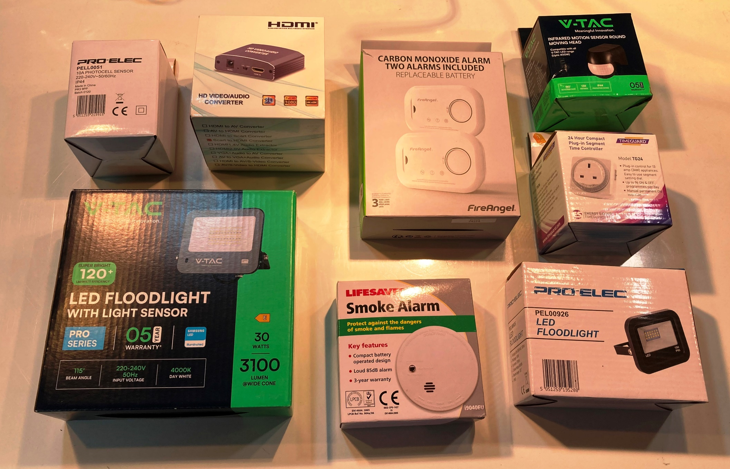
...
 | Items for Sale - Home Safety & Security
Timers | Brennenstuhl | MZ 20 GB 24hour Plug-In Timer, Grey | 1A2 | 08K | £6.46 | each
Timers | Timeguard | NTT02 24hr. Compact General Purpose Timeswitch 240V 16A | 1A3 | 08K | £34.88 | each
Timers | Pro-Elec | PEL00412 Plug-In Timer 7day White | S1 | 08K | £2.50 | each
Timers | Sangamo | S.255.1.171 Time Switch 200-250V 50Hz 20A 24hr 1on 1off | 2A3 | 08K | £100.00 | each
Timers | Timeguard | TG24 Compact Plug-In Segment Time Controller 24hour | 1A2 | 08K | £12.53 | each

Notes: All items available while stocks last. In some cases, I may only have one or two of each item to offer, but please feel free to enquire before ordering. Major items are new/unused and in original packaging. Smaller items will be bagged up to order.

Household Items
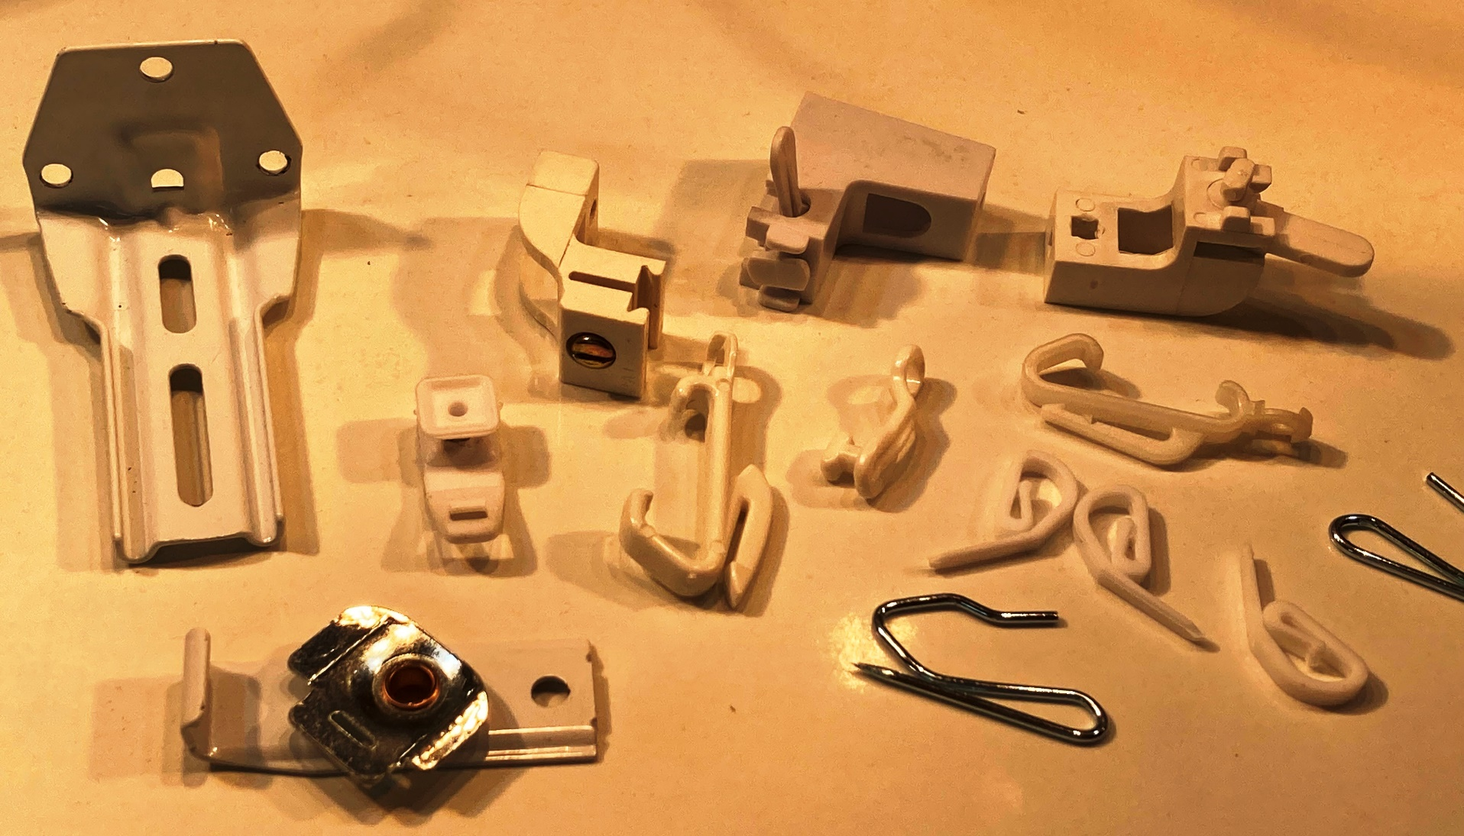
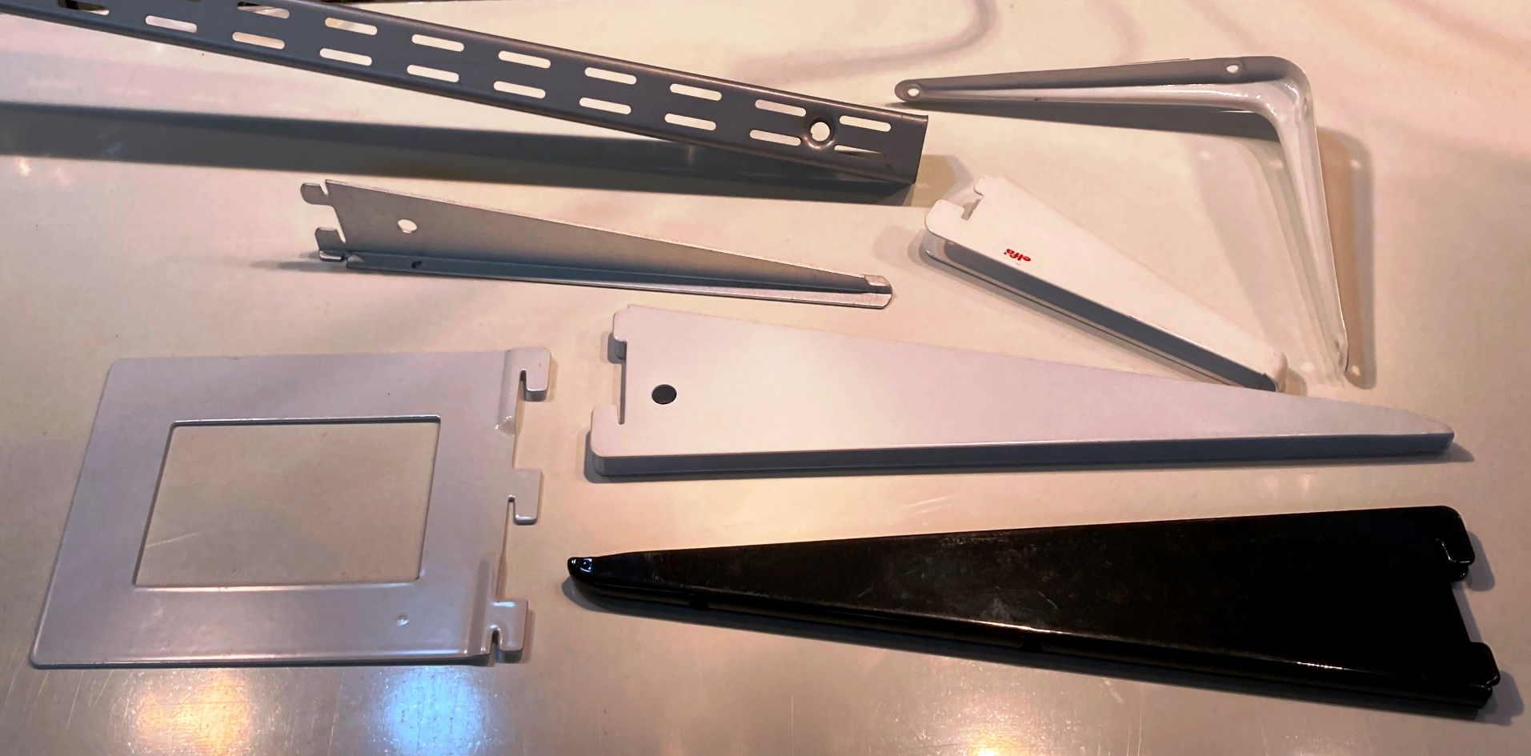
...

Ironmongery & Fixings
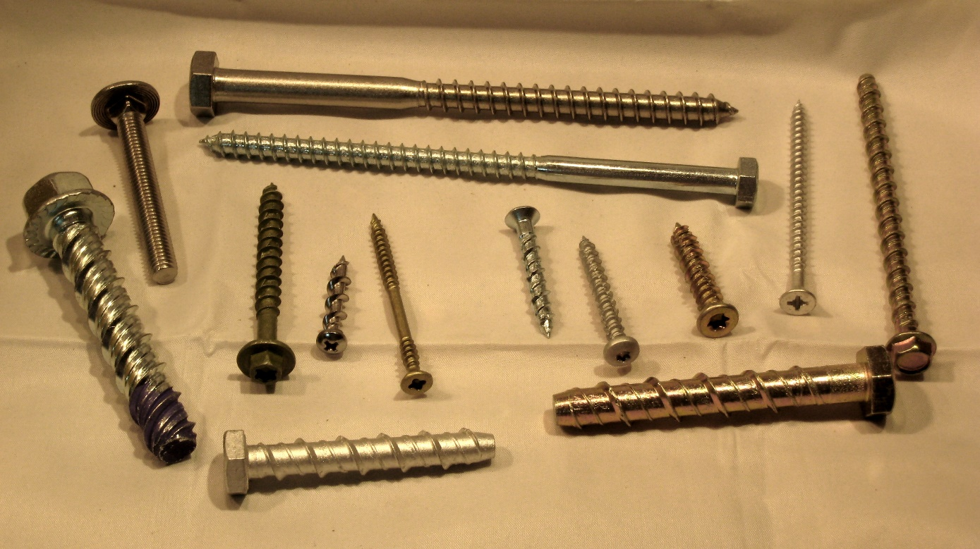
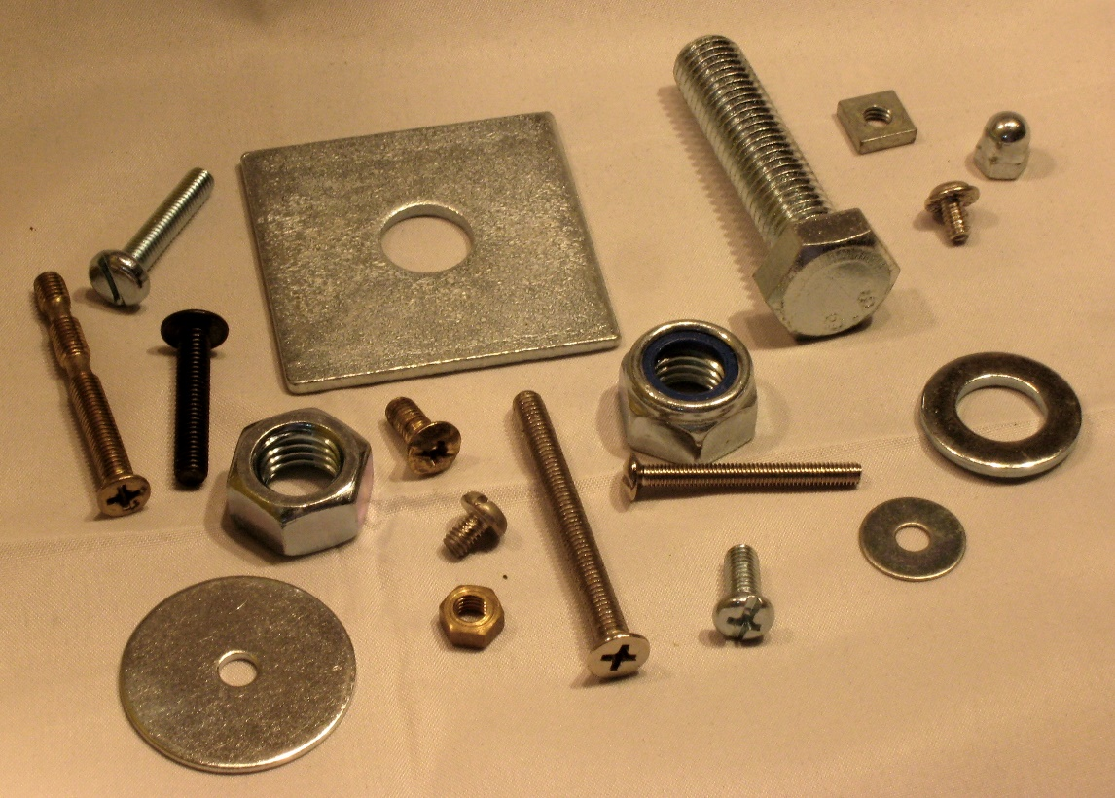
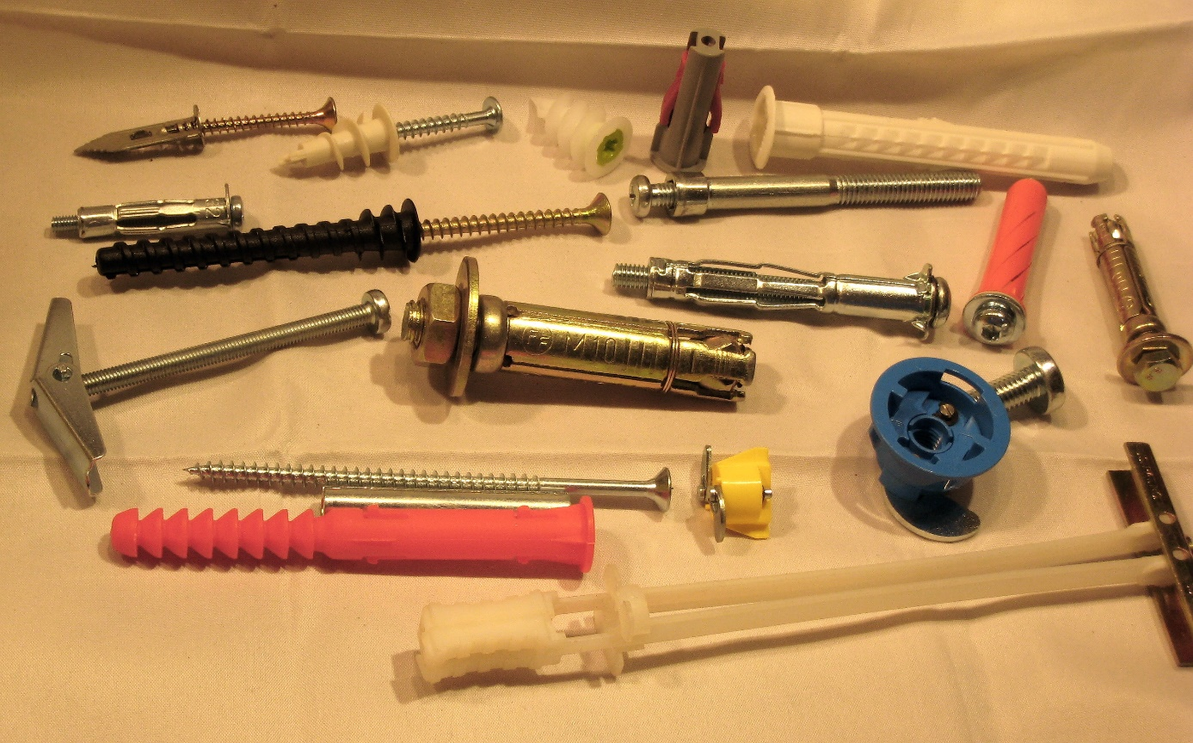
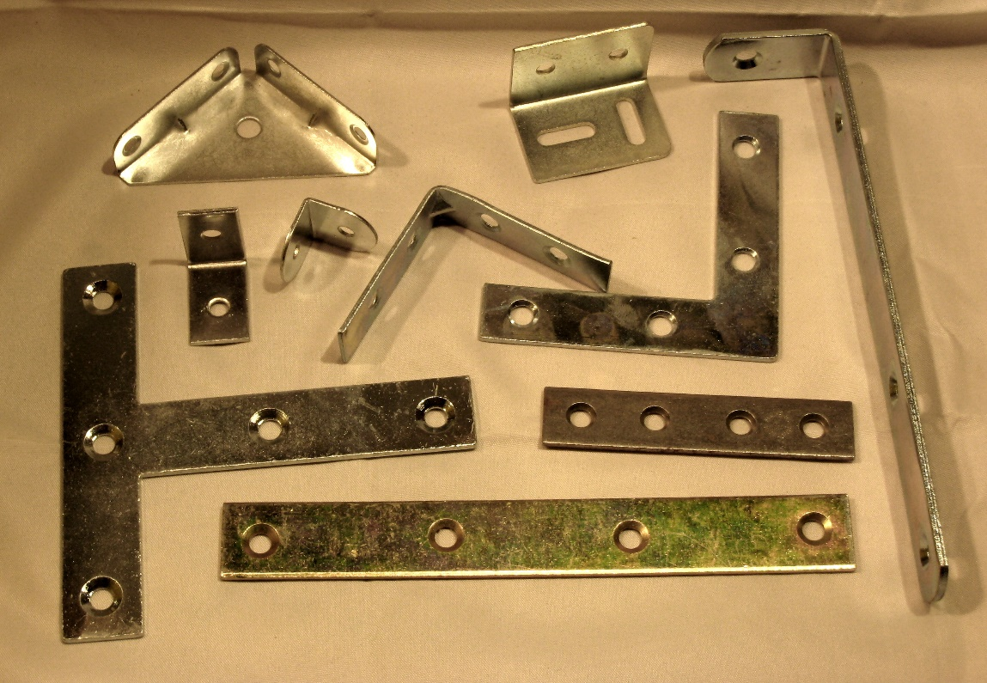
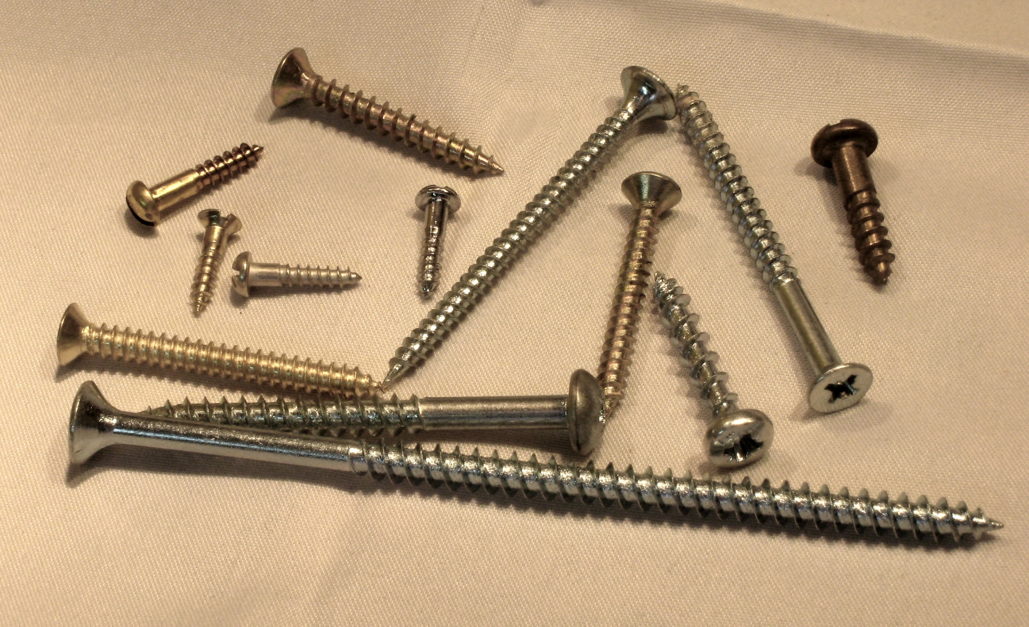
...

Lamps (Lightbulbs)
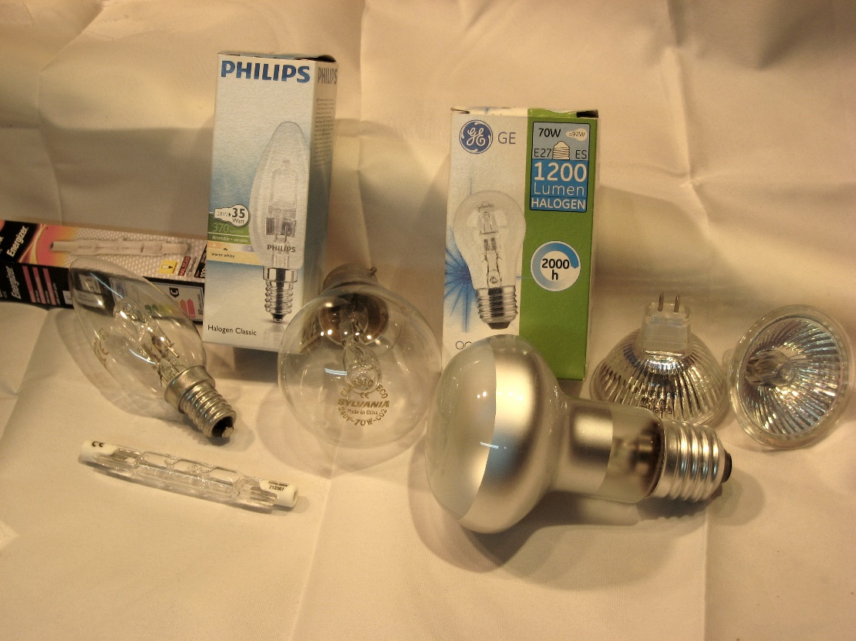
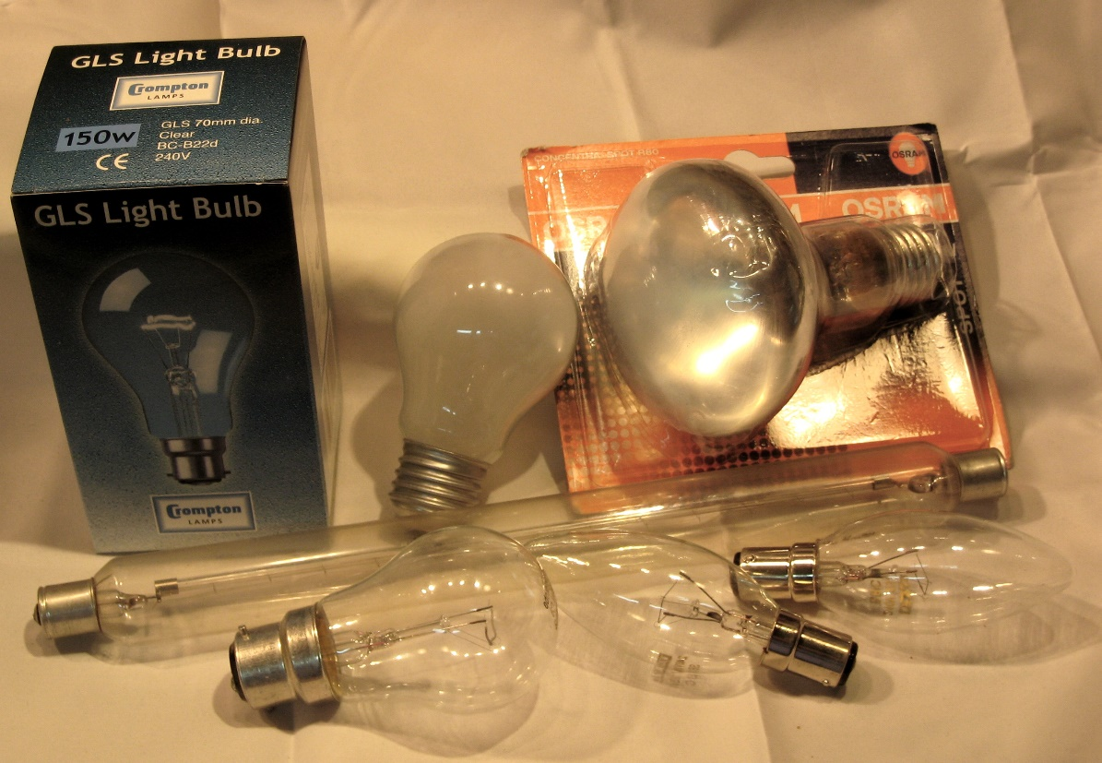
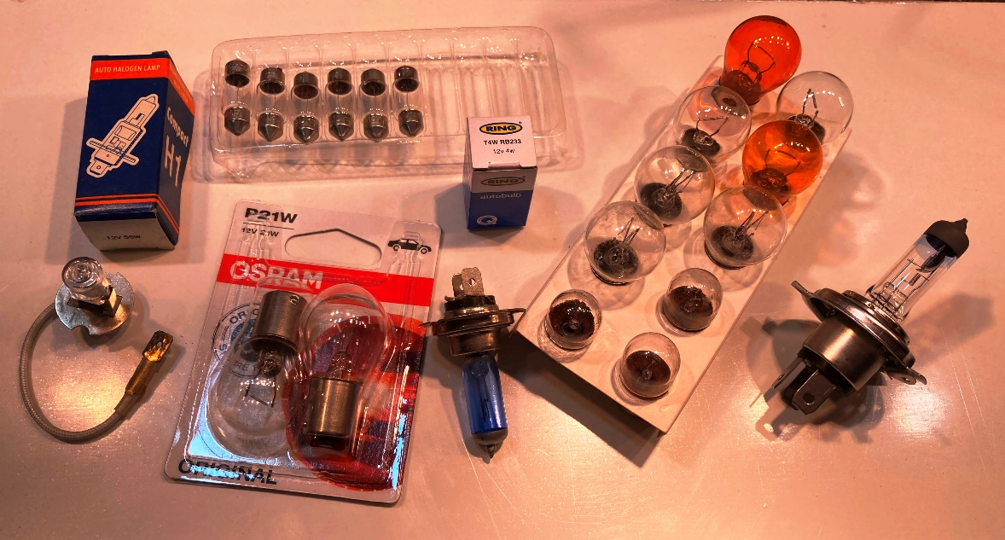
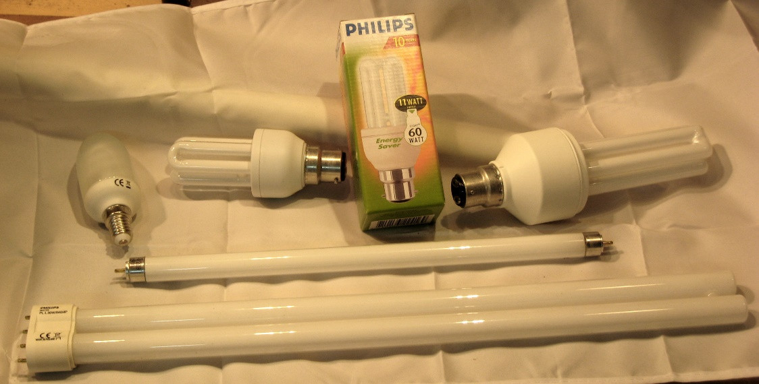
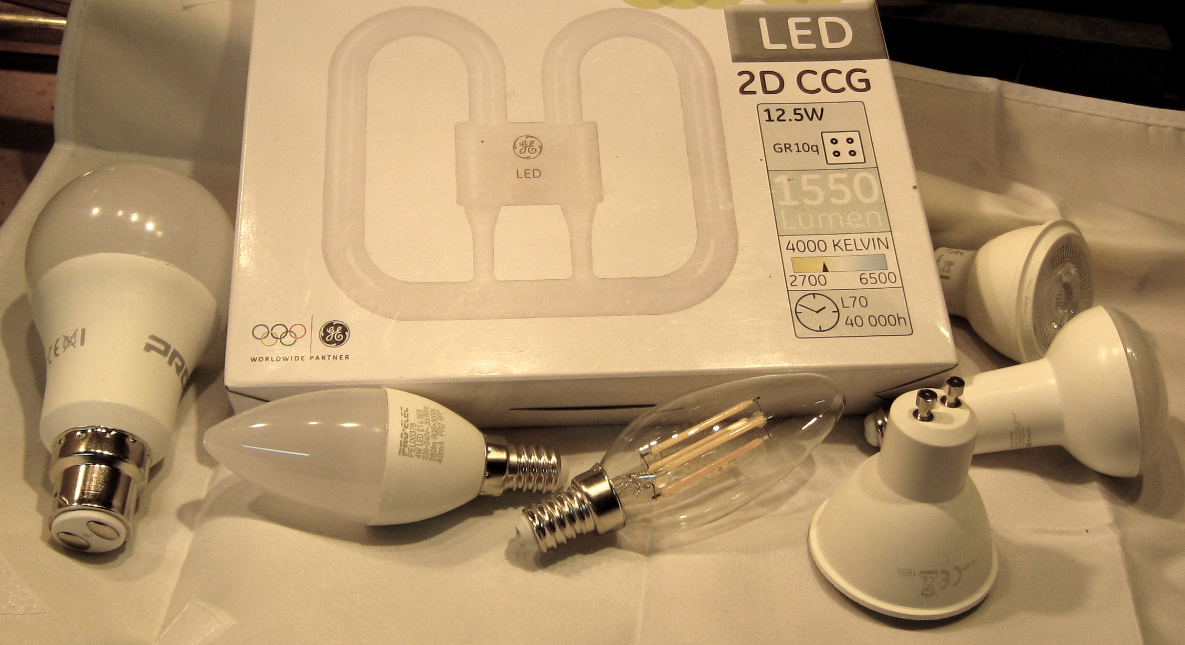
...
 | Items for Sale - LightSources
Miniature Lamps | Maglite | T1 Tubular | - | Wire | 2.7 | Clear | 2AA | 4 | 03K | £1.00 | each
Miniature Lamps | Maglite | T1 Tubular | - | Wire | 2.7 | Clear | 2AA Xenon | 4 | 03K | £1.00 | each
Miniature Lamps | - | T16 Tubular | 8 | E14 | 220-260 | Clear | Appliance | 2 | 03K | £1.00 | each
Miniature Lamps | - | T16 Tubular | 5-7 | E14 | 220-240 | Clear | NightLight | 2 | 03K | £0.50 | each
Miniature Lamps | - | W16 Wedge | 7 | W2.1x9.5d | 12 | Clear | Garden Light | 4 | 03K | £0.20 | each

Notes: Available while stocks last. In some cases there may only be one or two lamps available, but please feel free to enquire before ordering. All lamps are new and in original packaging, but some are fragile and special delivery arrangements may have to be made. Certain automotive and miniature lamps may be supplied loose, but will be bagged-up.

Lighting
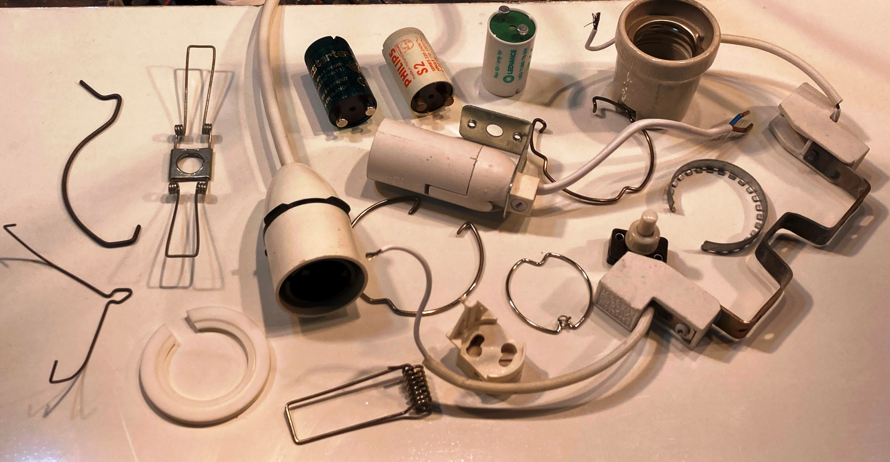
...
 | Items for Sale - Lighting
Lighting Spares | u/k | Universal SELV Lampholder with Tails G4/5.3/6.35 | LC4 | 04H | £0.75 | each
Lighting Spares | u/k | Universal SELV Lampholder with Tails G4/5.3/6.35 | LC4 | 04H | £0.75 | each
Lighting Spares | u/k | Universal SELV Lampholder with Tails GU4/5.3/6.35 | LC4 | 04H | £0.75 | each
Lighting Spares | Philips | Urea G5 Fluorescent Lampholder with Screw Terminals | S55 | 04H | £1.00 | each
Lighting Spares | Yuanxin | YX509 T300 GU10 Lampholder with Tails | LC3 | 04H | £1.00 | each

Notes: All items available while stocks last. In some cases, I may only have one or two of each item to offer, but please feel free to enquire before ordering. Major items are new/unused and in original packaging. Smaller items and spare parts will be bagged up to order.

